Chart1
 | Mitigate impact of migration barriers | Re-naturation | Sediment management strategies | Natural water retention measures | Environmental flow | Other measures
Removal of structures, weirs, barriers, and bank enforcement | 69.40%
Fish laders | 64.80%
Bypass channels | 34.30%
Habitat restoration, building spawning and breeding areas |  | 0.62
Restoration of bank structures |  | 0.537
Reconnection of meander bends or side arms |  | 0.333
Restoration of degraded bed structures |  | 0.389
Lowering of river banks |  | 0.074
Sediment management |  |  | 0.5
Restoration of degraded bed structures |  |  | 0.389
Reduction or modification of dredging |  |  | 0.25
Inudation of flood plains |  |  |  | 0.185
Construction of retention basins |  |  |  | 0.12
Setting minimum ecological flow requirements |  |  |  |  | 0.38
Operational modifications for hydropeaking |  |  |  |  | 0.259
Other |  |  |  |  |  | 0.593

Sheet1
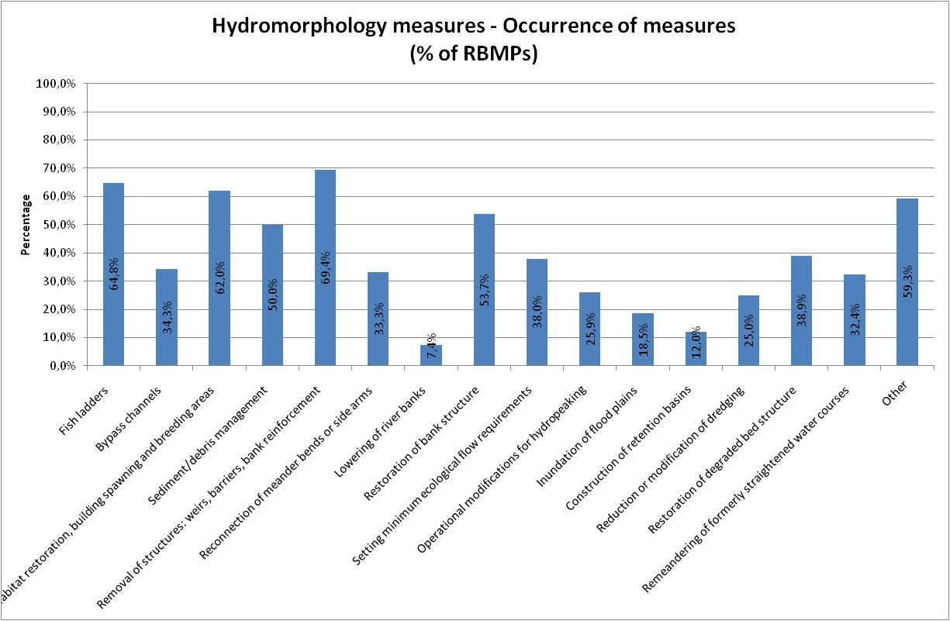

 |  |  |  | Mitigate impact of migration barriers | Re-naturation | Sediment management strategies | Natural water retention measures | Environmental flow | Other measures
Fish laders | 64.80% | Mitigate impact of migration barriers | Removal of structures, weirs, barriers, and bank enforcement | 69.40%
Bypass channels | 34.30% | mitigate impact of migration barriers | Fish laders | 64.80%
Habitat restoration, building spawning and breeding areas | 62% | mitigate impact of migration barriers | Bypass channels | 34.30%
Sediment management | 50% |  | Habitat restoration, building spawning and breeding areas |  | 62%
Removal of structures, weirs, barriers, and bank enforcement | 69.40% |  | Restoration of bank structures |  | 53.70%
Reconnection of meander bends or side arms | 33.30% |  | Reconnection of meander bends or side arms |  | 33.30%
Lowering of river banks | 7.40% |  | Restoration of degraded bed structures |  | 38.90%
Restoration of bank structures | 53.70% |  | Lowering of river banks |  | 7.40%
Setting minimum ecological flow requirements | 38% |  | Sediment management |  |  | 50%
Operational modifications for hydropeaking | 25.90% |  | Restoration of degraded bed structures |  |  | 38.90%
 |  |  | Reduction or modification of dredging |  |  | 25%
 |  |  | Inudation of flood plains |  |  |  | 18.50%
Reduction or modification of dredging | 25% |  | Construction of retention basins |  |  |  | 12%
Restoration of degraded bed structures | 38.90% |  | Setting minimum ecological flow requirements |  |  |  |  | 38%
Remeandering of formerly straightened water courses | 32.40% |  | Operational modifications for hydropeaking |  |  |  |  | 25.90%
Other | 59.30% |  | Other |  |  |  |  |  | 59.30%

