Drill down data
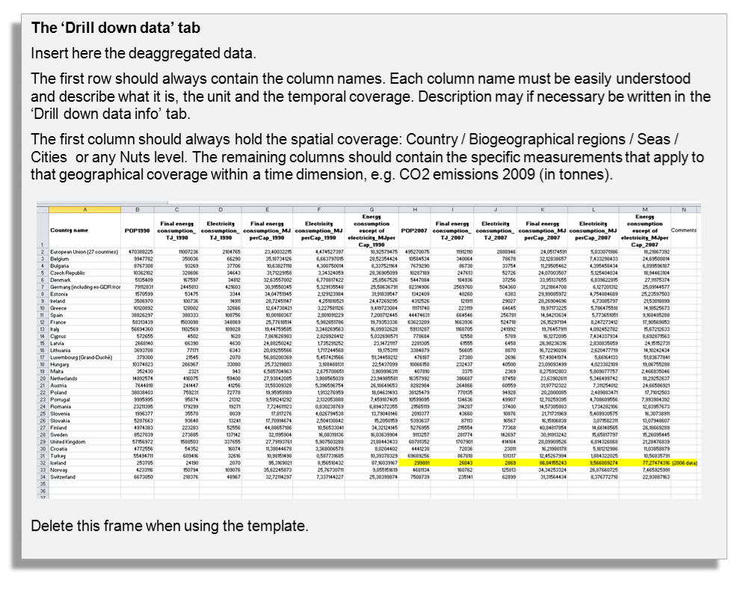
Countries / Regions / Seas / Cities / | Col1 | Col2 | Col3 | Col4 | Col5 | Col6 | Col7 | Col8 | Col9 | Col10 | Col11 | Col12

Drill down data info
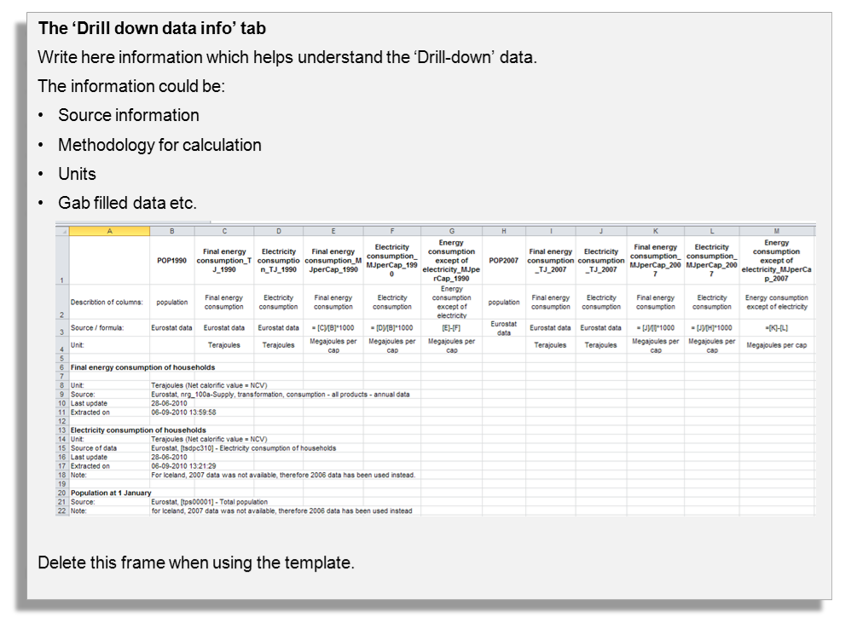

Data for graph
Countries / Regions / Seas / Cities / | YEAR | Cumulated melt extent (km^2) | Total GRIS area*days | Cumulated melt/total-area days(%) | % difference of cumulated melt relative to 1979
Greenland Ice Sheet | 1979 | 6827500 | 587650000 | 1.1618310219 | 100
Greenland Ice Sheet | 1980 | 8538125 | 587650000 | 1.4529269123 | 125.05492494
Greenland Ice Sheet | 1981 | 10566250 | 587650000 | 1.7980515613 | 154.76016111
Greenland Ice Sheet | 1982 | 7005624 | 587650000 | 1.1921422616 | 102.60891981
Greenland Ice Sheet | 1983 | 6370000 | 587650000 | 1.0839785587 | 93.299157818
Greenland Ice Sheet | 1984 | 12082500 | 587650000 | 2.0560707904 | 176.96814354
Greenland Ice Sheet | 1985 | 7831250 | 587650000 | 1.3326384753 | 114.70157451
Greenland Ice Sheet | 1986 | 7446250 | 587650000 | 1.2671232877 | 109.06261443
Greenland Ice Sheet | 1987 | 14600625 | 587650000 | 2.4845784055 | 213.85023801
Greenland Ice Sheet | 1988 | 11123125 | 587650000 | 1.8928146005 | 162.9165141
Greenland Ice Sheet | 1989 | 9510000 | 587650000 | 1.6183102187 | 139.2896375
 | % difference of cumulated melt relative to 1979
 | 100
 | 125.05492494
 | 154.76016111
 | 102.60891981
 | 93.299157818
 | 176.96814354
 | 114.70157451
 | 109.06261443
 | 213.85023801
 | 162.9165141
 | 139.2896375
 | 180.29108751
 | 219.89198096
 | 74.890150128
 | 197.69315269
 | 147.22629074
 | 221.85097034
 | 130.98681802
 | 185.5455877
 | 265.26886855
 | 220.60600513
 | 186.75393629
 | 173.10508971
 | 286.25010619
 | 212.42218967
 | 251.73896741
 | 300.93340168
 | 223.26986452
 | 379.57656536
 | 206.37129257
 | 177.75540095
 | 282.61597949
 | 265.07647016
Greenland Ice Sheet | 1990 | 12309374 | 587650000 | 2.0946777844 | 180.29108751
Greenland Ice Sheet | 1991 | 15013125 | 587650000 | 2.5547732494 | 219.89198096
Greenland Ice Sheet | 1992 | 5113125 | 587650000 | 0.87009699651 | 74.890150128
Greenland Ice Sheet | 1993 | 13497500 | 587650000 | 2.2968603761 | 197.69315269
Greenland Ice Sheet | 1994 | 10051875 | 587650000 | 1.7105207181 | 147.22629074
Greenland Ice Sheet | 1995 | 15146875 | 587650000 | 2.5775333957 | 221.85097034
Greenland Ice Sheet | 1996 | 8943125 | 587650000 | 1.5218454863 | 130.98681802
Greenland Ice Sheet | 1997 | 12668125 | 587650000 | 2.1557261976 | 185.5455877
Greenland Ice Sheet | 1998 | 18111232 | 587650000 | 3.0819760061 | 265.26886855
Greenland Ice Sheet | 1999 | 15061875 | 587650000 | 2.5630690037 | 220.60600513
Greenland Ice Sheet | 2000 | 12750625 | 587650000 | 2.1697651663 | 186.75393629
Greenland Ice Sheet | 2001 | 11818750 | 587650000 | 2.0111886327 | 173.10508971
Greenland Ice Sheet | 2002 | 19543726 | 587650000 | 3.3257425338 | 286.25010619
Greenland Ice Sheet | 2003 | 14503125 | 587650000 | 2.467986897 | 212.42218967
Greenland Ice Sheet | 2004 | 17187478 | 587650000 | 2.9247814175 | 251.73896741
Greenland Ice Sheet | 2005 | 20546228 | 587650000 | 3.4963376159 | 300.93340168
Greenland Ice Sheet | 2006 | 15243750 | 587650000 | 2.5940185485 | 223.26986452
Greenland Ice Sheet | 2007 | 25915590 | 587650000 | 4.4100382881 | 379.57656536
Greenland Ice Sheet | 2008 | 14090000 | 587650000 | 2.3976856973 | 206.37129257
Greenland Ice Sheet | 2009 | 12136250 | 587650000 | 2.0652173913 | 177.75540095
Greenland Ice Sheet | 2010 | 19295606 | 587650000 | 3.2835201225 | 282.61597949
Greenland Ice Sheet | 2011 | 18098096 | 587650000 | 3.079740662 | 265.07647016

Graph
 | % difference of cumulated melt relative to 1979
1979 | 100
1980 | 125.05492494
1981 | 154.76016111
1982 | 102.60891981
1983 | 93.299157818
1984 | 176.96814354
1985 | 114.70157451
1986 | 109.06261443
1987 | 213.85023801
1988 | 162.9165141
1989 | 139.2896375
1990 | 180.29108751
1991 | 219.89198096
1992 | 74.890150128
1993 | 197.69315269
1994 | 147.22629074
1995 | 221.85097034
1996 | 130.98681802
1997 | 185.5455877
1998 | 265.26886855
1999 | 220.60600513
2000 | 186.75393629
2001 | 173.10508971
2002 | 286.25010619
2003 | 212.42218967
2004 | 251.73896741
2005 | 300.93340168
2006 | 223.26986452
2007 | 379.57656536
2008 | 206.37129257
2009 | 177.75540095
2010 | 282.61597949
2011 | 265.07647016

