Fig 1
 | Belgium | Bulgaria | Czech Republic | Finland | France | Germany | Hungary | Italy | Lithuania | Netherlands | Romania | Slovakia
In storage, 2007 | 2573 | 0 | 1138 | 1618 | 11300 | 12492 | 1185 | 230 | 237 | 492 | 0 | 1180
arising, 2007 | 96 | 0 | 105 | 67 | 1100 | 370 | 47 | 0 | 0 | 8 | 0 | 49
In storage, 2008 | 2699 | 0 | 1138 | 1643 | 11700 | 2800 | 1233 | 143 | 0 | 500 | 0 | 1255
arising, 2008 | 125 | 0 | 79 | 63 | 400 | 400 | 48 | 0 | 0 | 8 | 0 | 75

 | Belgium | Czech Republic | Finland | France | Germany | Hungary | Italy | Netherlands | Slovakia | Spain | Sweden | Switzerland
In storage, 2007 | 2573 | 1138 | 1618 | 11300 | 12492 | 1185 | 230 | 492 | 1180 | 3721 | 4675 | 980
arising, 2007 | 96 | 105 | 67 | 1100 | 370 | 47 | 0 | 8 | 49 | 207 | 310 | 63
In storage, 2008 | 2699 | 1138 | 1643 | 11700 | 2800 | 1233 | 143 | 500 | 1255 | 3797 | 4893 | 1046
arising, 2008 | 125 | 79 | 63 | 400 | 400 | 48 | 0 | 8 | 75 | 76 | 0 | 60

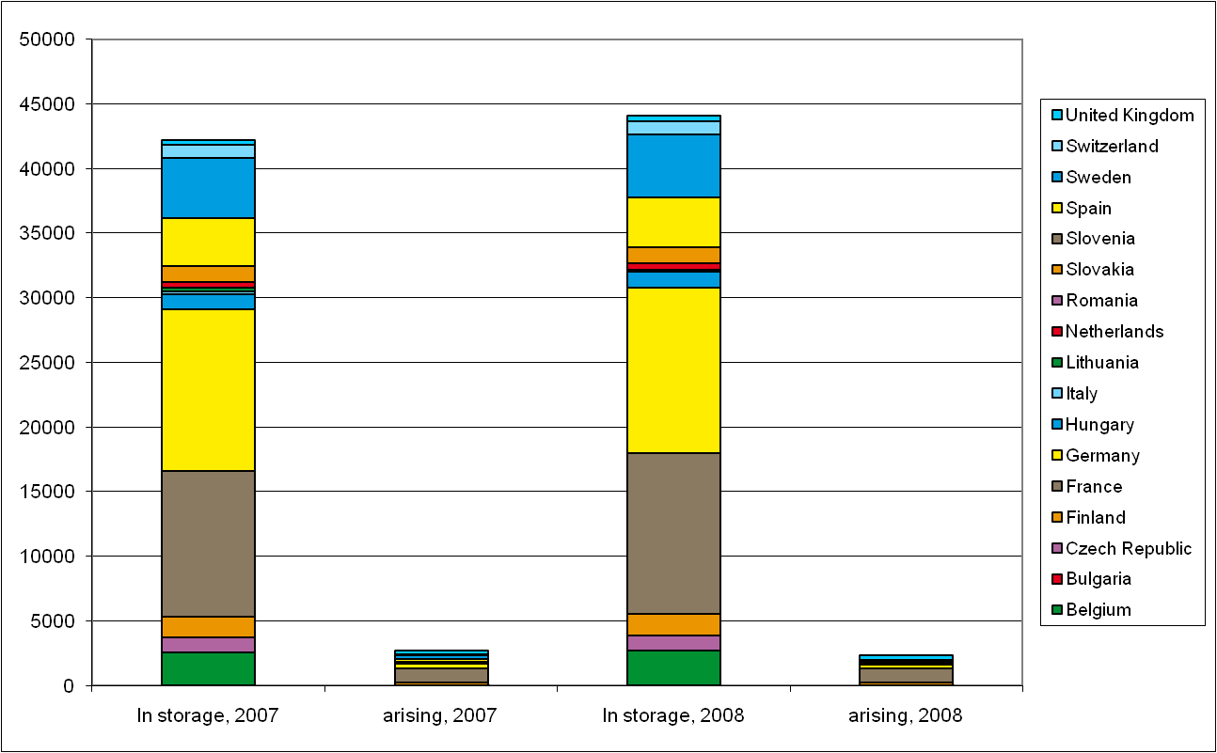

above - 2007 and 2008 with the amended data from NEA (2010) - Nuclear Energy Data 2010. suspect the figures in 2007 and 2008 are no longer comparable.
right - copy of image from last years factsheet.
below - 2011 version
 | Belgium | Czech Republic | Finland | France | Germany | Hungary | Italy | Netherlands | Slovakia | Spain | Sweden | Switzerland
In storage, 2008 | 2699 | 1138 | 1643 | 11700 | 2800 | 1233 | 143 | 500 | 1255 | 3797 | 4893 | 1046
arising, 2008 | 125 | 79 | 63 | 400 | 400 | 48 | 0 | 8 | 75 | 76 | 0 | 60
In storage, 2009 | 2827 | 1217 | 1703 | 12100 | 3200 | 1282 | 73 | 507 | 1328 | 4007 | 5051 | 1106
arising, 2009 | 128 | 76 | 60 | 400 | 400 | 49 | 0 | 8 | 73 | 210 | 0 | 60

