Table for pies in map
 | Baltic
F & SSB | 542,367
F only
SSB only
Not assessed | 115,381
 | Barents and Norwegian
F & SSB | 1,851,014
F only
SSB only
Not assessed | 535,432
 | Bay of Biscay
F & SSB | 199,858
F only | 3,735
SSB only
Not assessed | 319,559
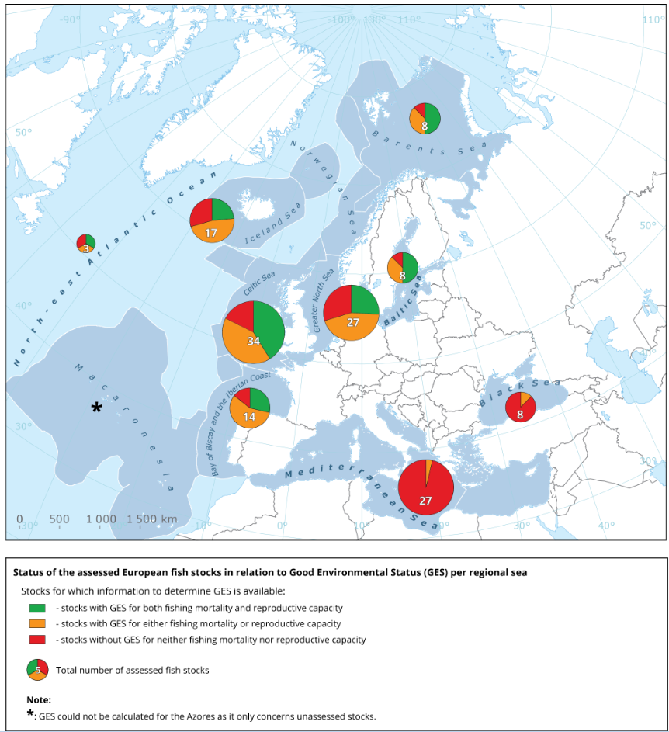
Data for new pies

 | F & SSB | F only | SSB only | Not assessed | Sum | Total number of stocks - number to write in pie and size of Pie
Baltic | 542,367 |  |  | 115,381 | 542,367 | 8.0
Barents and Norwegian | 1,851,014 |  |  | 535,432 | 1,851,014 | 8.0
Bay of Biscay | 199,858 | 3,735 |  | 319,559 | 203,593 | 14.0
 | Oceanic NE Atlantic
F & SSB | 4,396
F only
SSB only
Not assessed | 5,932
 | Black Sea
F & SSB
F only | 81,953
SSB only
Not assessed | 35,112
Celtic Sea | 1,220,715 | 3,912 | 1,446 | 316,945 | 1,226,074 | 34.0
Iceland and Greenland | 956,887 | 6,025 | 267,528 | 330,168 | 1,230,440 | 17.0
North Sea | 1,532,902 | 6,004 | 386,328 | 71,943 | 1,925,234 | 27.0
Oceanic NE Atlantic | 4,396 |  |  | 5,932 | 4,396 | 3.0
Azores |  |  |  | 24,729 | 0
Black Sea |  | 81,953 |  | 35,112 | 81,953 | 8.0
Mediterranean Sea |  | 122,139 |  | 1,820,493 | 122,139 | 27.0

 | Mediterranean Sea
F & SSB
F only | 122,139
SSB only
Not assessed | 1,820,493

Link to the map and pies:
https://www.eea.europa.eu/data-and-maps/figures/status-of-fish-stocks-in-4

