Drill down data
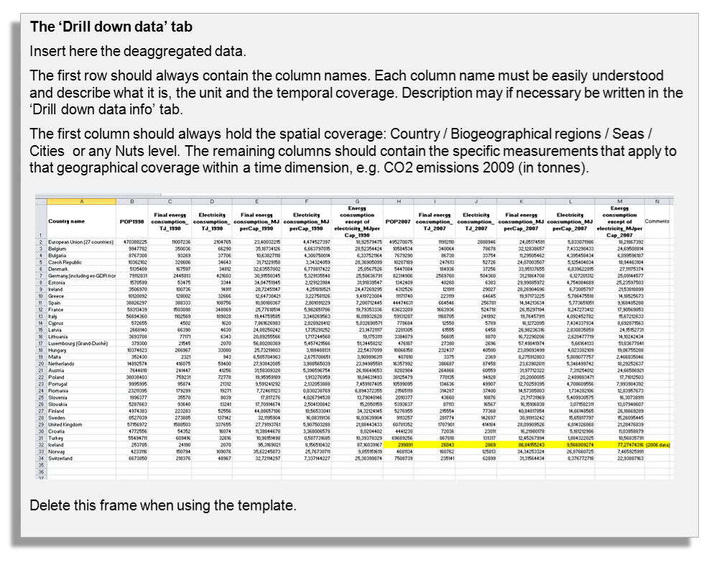
Countries / Regions / Seas / Cities / | Col1 | Col2 | Col3 | Col4 | Col5 | Col6 | Col7 | Col8 | Col9 | Col10 | Col11 | Col12

Drill down data info
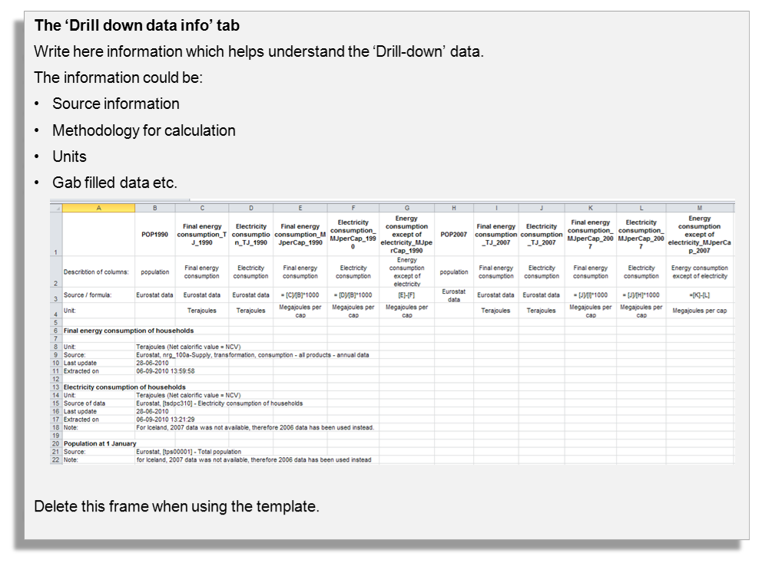

Graph
 | MB(Gt yr-1)
1989 | -115.11
1990 | -87.969
1991 | 22.975
1992 | 118.15
1993 | -33.887
1994 | -65.43
1995 | -172.71
1996 | 166.6
1997 | 23.001
1998 | -179.26
1999 | -21.703
2000 | -67.127
2001 | -35.205
2002 | -158.45
2003 | -191.84
2004 | -196.54
2005 | -190.11
2006 | -304.83
2007 | -314.84
2008 | -250.12
2009 | -283.64

