Fig 1 Data
Electricity consumption by sector 2009, EU27 (GWh)
European Union (27 countries)
 | 1990 | 1991 | 1992 | 1993 | 1994 | 1995 | 1996 | 1997 | 1998 | 1999 | 2000 | 2001 | 2002 | 2003 | 2004 | 2005 | 2006 | 2007 | 2008 | 2009 | Growth 1990-2009 | Growth 2008-2009 | Av Annual Growth
Transport | 62959 | 63700 | 64483 | 65707 | 67106 | 68869 | 70608 | 70818 | 70449 | 69798 | 72131 | 72377 | 72743 | 73680 | 74338 | 74461 | 72557 | 72509 | 73965 | 71295 | 13.2% | -3.6% | 0.7%
Industry | 987705 | 957273 | 938627 | 917877 | 931029 | 958585 | 969865 | 1001674 | 1010540 | 1026463 | 1057486 | 1071692 | 1078184 | 1090532 | 1122823 | 1130511 | 1128514 | 1147716 | 1134912 | 980994 | -0.7% | -13.6% | 0.0%
Households | 603692 | 617416 | 625535 | 636319 | 643768 | 652881 | 689763 | 682769 | 697327 | 708167 | 713389 | 738289 | 746222 | 773130 | 786625 | 804861 | 816986 | 810435 | 826034 | 839111 | 39.0% | 1.6% | 1.7%
Services, agriculture and other sectors | 495972 | 529447 | 534526 | 542918 | 549379 | 569408 | 591841 | 602167 | 624255 | 642968 | 674799 | 700333 | 712727 | 734460 | 748150 | 759791 | 809856 | 816779 | 825857 | 827522 | 66.8% | 0.2% | 2.7%

Transport | 2.9% | 2.9% | 3.0% | 3.0% | 3.1% | 3.1% | 3.0% | 3.0% | 2.9% | 2.9% | 2.9% | 2.8% | 2.8% | 2.8% | 2.7% | 2.7% | 2.6% | 2.5% | 2.6% | 2.6% | -10.4% | 1.4% | -0.6%
Industry | 45.9% | 44.2% | 43.4% | 42.4% | 42.5% | 42.6% | 41.8% | 42.5% | 42.1% | 41.9% | 42.0% | 41.5% | 41.3% | 40.8% | 41.1% | 40.8% | 39.9% | 40.3% | 39.7% | 36.1% | -21.4% | -9.1% | -1.3%
Households | 28.1% | 28.5% | 28.9% | 29.4% | 29.4% | 29.0% | 29.7% | 29.0% | 29.0% | 28.9% | 28.3% | 28.6% | 28.6% | 28.9% | 28.8% | 29.1% | 28.9% | 28.5% | 28.9% | 30.9% | 9.9% | 6.9% | 0.5%
Services, agriculture and other sectors | 23.1% | 24.4% | 24.7% | 25.1% | 25.1% | 25.3% | 25.5% | 25.5% | 26.0% | 26.3% | 26.8% | 27.1% | 27.3% | 27.5% | 27.4% | 27.4% | 28.6% | 28.7% | 28.9% | 30.4% | 32.0% | 5.4% | 1.5%

as called 'Services, agriculture and other sectors' in the graph, includes Other sectors (exc.households) = fishing 102020, agriculture/forestry 102030, services 102035 and non specified 102040.
EUROSTAT 2011 codes = 'Services, agriculture and other sectors'

2010 - EU27 (image of last years)
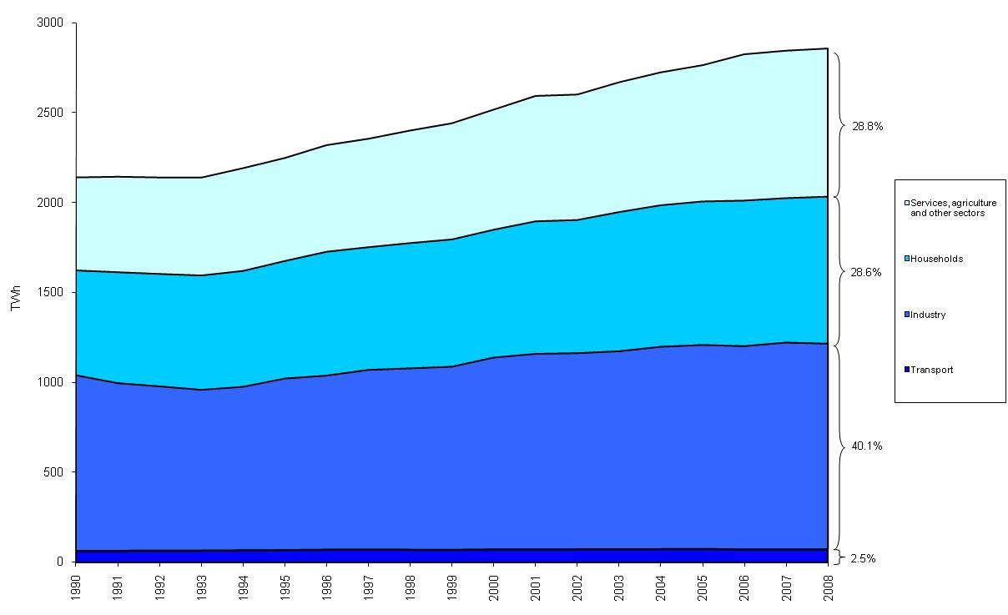

2011 - EU27 (next worksheet)

Fig 1
 | Transport | Industry | Households | Services, agriculture and other sectors
1990 | 62959 | 987705 | 603692 | 495972
1991 | 63700 | 957273 | 617416 | 529447
1992 | 64483 | 938627 | 625535 | 534526
1993 | 65707 | 917877 | 636319 | 542918
1994 | 67106 | 931029 | 643768 | 549379
1995 | 68869 | 958585 | 652881 | 569408
1996 | 70608 | 969865 | 689763 | 591841
1997 | 70818 | 1001674 | 682769 | 602167
1998 | 70449 | 1010540 | 697327 | 624255
1999 | 69798 | 1026463 | 708167 | 642968
2000 | 72131 | 1057486 | 713389 | 674799
2001 | 72377 | 1071692 | 738289 | 700333
2002 | 72743 | 1078184 | 746222 | 712727
2003 | 73680 | 1090532 | 773130 | 734460
2004 | 74338 | 1122823 | 786625 | 748150
2005 | 74461 | 1130511 | 804861 | 759791
2006 | 72557 | 1128514 | 816986 | 809856
2007 | 72509 | 1147716 | 810435 | 816779
2008 | 73965 | 1134912 | 826034 | 825857
2009 | 71295 | 980994 | 839111 | 827522

