Drill down data
Countries / Regions / Seas / Cities / | Col1 | Col2 | Col3 | Col4 | Col5 | Col6 | Col7 | Col8 | Col9 | Col10 | Col11 | Col12
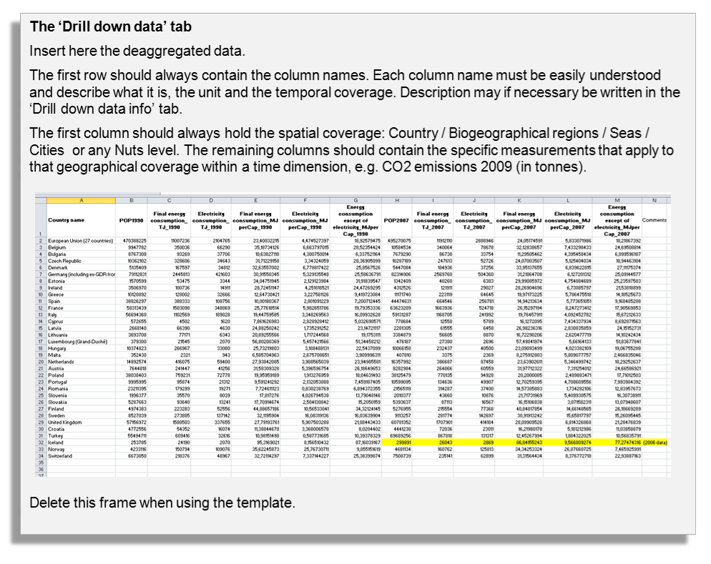

Drill down data info
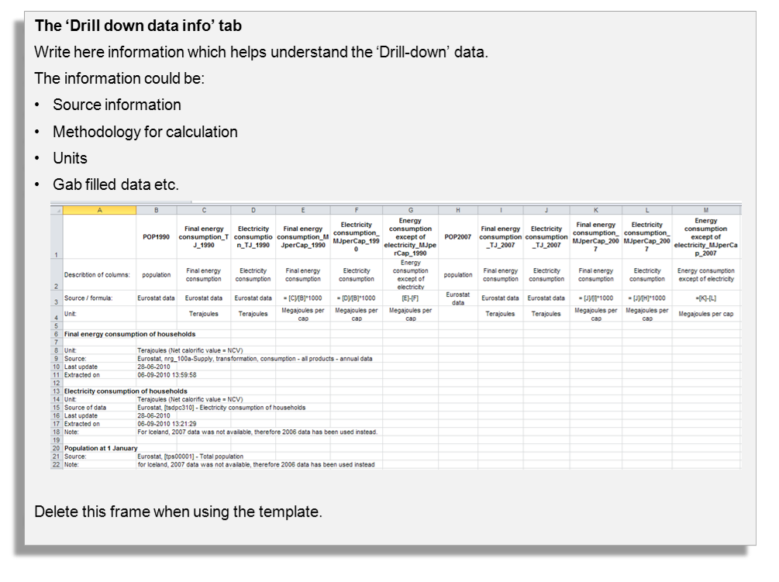

Graph
 | Janssonhaugen | Juvvashoe | Matterhorn | Muot da Barba Peider | Murtel-Corvatsch | Schilthorn | Stockhorn
1987 |  |  |  |  | -3.35
1988 |  |  |  |  | -3.22
1989 |  |  |  |  | -3.12
1990 |  |  |  |  | -3.27
1991 |  |  |  |  | -3.37
1992 |  |  |  |  | -3.4
1993 |  |  |  |  | -3.45
1994 |  |  |  |  | -3.48
1995 |  |  |  |  | -3.44
1996 |  |  |  |  | -3.38
1997 |  |  |  | -1.69 | -3.44
1998 | -1.54 |  |  | -1.91 | -3.47 | -4.3
1999 | -1.42 | -2.1 |  | -1.93 | -3.43 | -4.43
2000 | -1.57 | -1.95 |  | -1.9 | -3.45 | -4.88
2001 | -1.59 | -2 |  | -1.92 | -3.48
2002 | -1.71 | -2.4 |  | -1.86 | -3.44 | -4.6 | -3.39
2003 | -1.71 | -2.45 |  | -2.35 | -3.51 | -8.96 | -4.07
2004 | -1.73 | -2.17 |  | -2.24 | -3.51 | -4.81 | -3.92
2005 | -1.65 | -2.21 |  | -1.96 | -3.5 | -4.8
2006 | -1.8 | -2.4 | -3.19 | -1.98 | -3.501 | -4.84 | -3.47
2007 | -1.75 | -2.15 | -3.32 | -1.97 | -3.512 | -4.66
2008 | -1.66 | -2.17 | -2.89 | -2.05 | -3.51 | -4.97 | -3.42
2009 | -1.74 | -2.26 | -3.66 | -2.02 | -3.54 | -6.99 | -4.44
2010 | -1.82 | -2.13 | -2.98 | -2.03 | -3.54 | -6.8 | -4.45

