Drill down data info
 | Coastline dynamics
Description | Coastline dynamics
Source/formula | EUROSION Project - European Commission DG ENV
Unit | Percentage

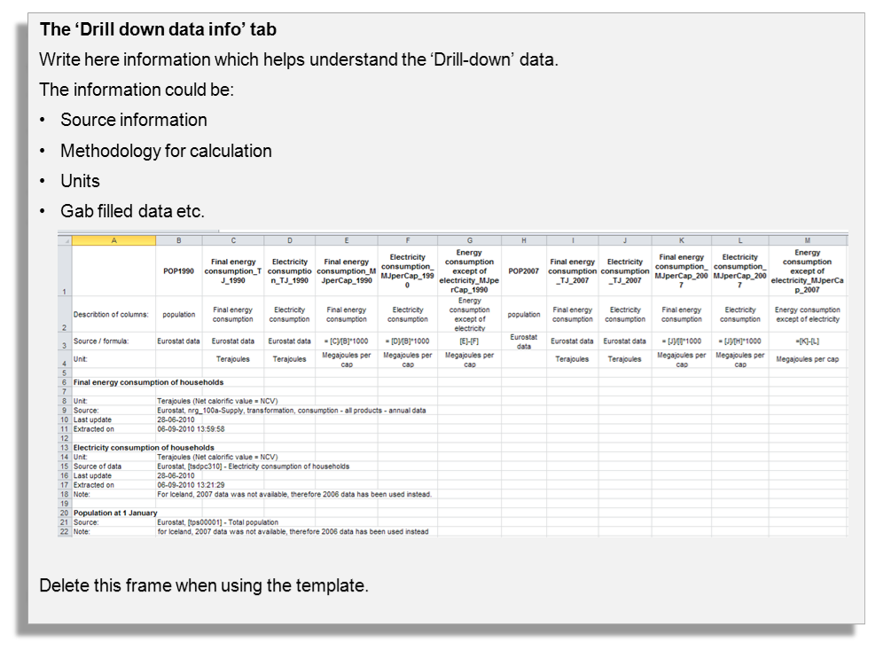
Length of dynamic coastline

Unit | Percentage
Source | EUROSION Project - European Commission DG ENV
Last update | September 19th 2012
Extracted on | June 2006

Graph
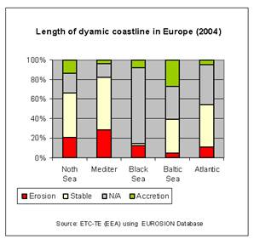

 | Erosion | Stable | Accretion | No data
North Sea | 21.00 | 44.00 | 12.00 | 23.00
Mediterranean Sea | 27.00 | 53.00 | 3.00 | 17.00
Black Sea | 13.00 | 2.00 | 7.00 | 78.00
Baltic Sea | 5.00 | 34.00 | 28.00 | 33.00
Atlantic Ocean | 11.00 | 40.00 | 5.00 | 44.00

