Content
8th EAP – indicator-based progress – 2024

This file contains all of the figures and underlying data, along with the metadata, from the 2024 edition of the EEA's "Monitoring report on progress towards the 8th EAP objectives"

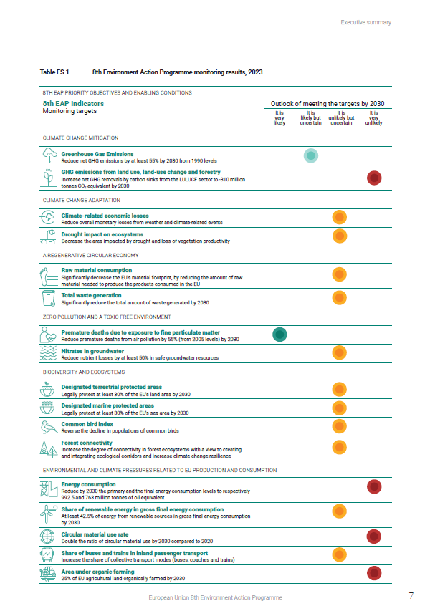
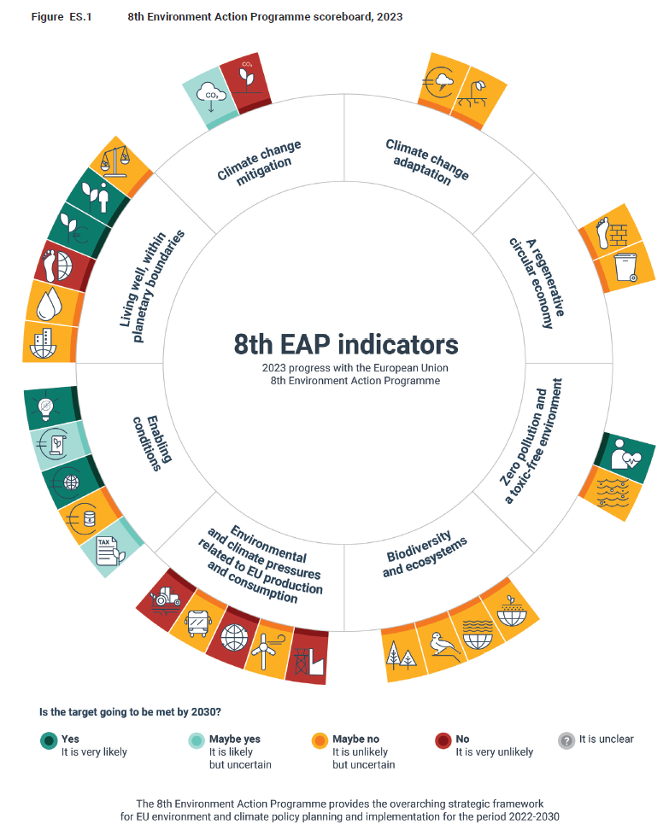
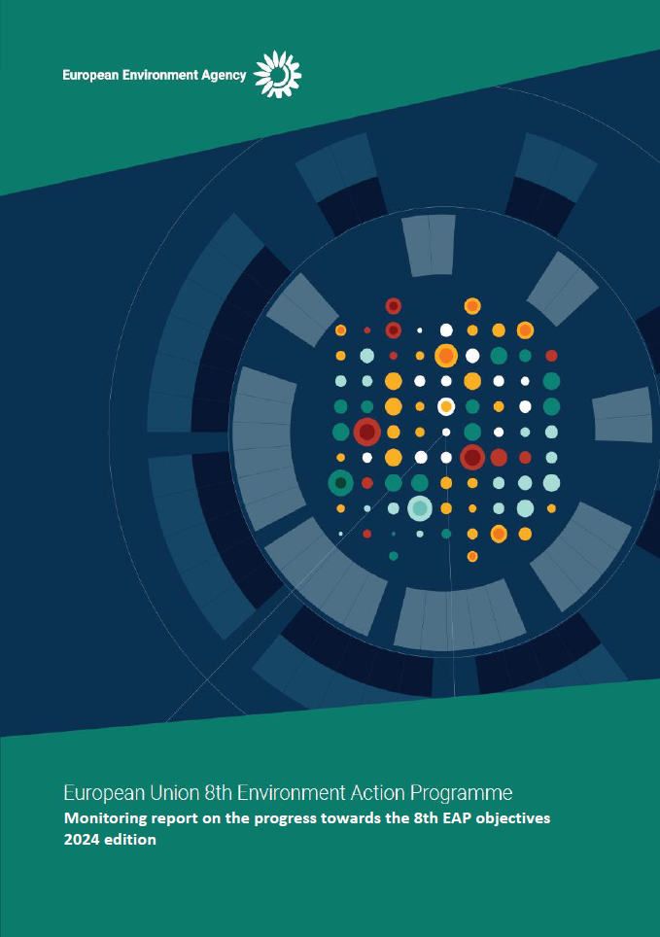

 | Please refer to the following links for more information
 | - | EEA - 8th EAP indicator based progress - Landing page
 | - | Monitoring progress towards the 8th EAP objectives (full report)
 | - | Compilation of headline indicators
 | - | Live version of 8th EAP indicators
 | - | Scoreboard (pdf)
 | - | 2030 outlook methodology annex

Content
Chapter | Figure | 8th EAP indicators
Climate change mitigation | 1 | Greenhouse Gas Emissions
 | 2 | Greenhouse gas emissions from land use, land-use change and forestry
Climate change adaptation | 3 | Climate-related economic losses
 | 4 | Drought impact on ecosystems
A regenarative circular economy | 5 | Raw material consumption
 | 6 | Total waste generation
Zero pollution and a toxic free environment | 7 | Premature deaths due to exposure to fine particulate matter
 | 8 | Nitrates in groundwater
Biodiversity and ecosystems | 9 | Deisgnated terrestrial protected areas
 | 10 | Designated marine protected areas
 | 11 | Common bird index
 | 12 | Forest connectivity
Environmental and climate pressures related to EU production and consumption | 13 | Energy consumption
 | 14 | Share of renewable energy in gross final energy consumption
 | 15 | Circular material use
 | 16 | Share of busses and trains in inland passengar transport
 | 17 | Area under organic farming
Enabling conditions | 18 | Share of environmental taxes in total tax revenies
 | 19 | Fossil fuel subsidies
 | 20 | Environmental protection expenditure
 | 21 | Share of green bonds in total issued bonds
 | 22 | Eco-innovation index
Living well, within planetary boundaries | 23 | Land take
 | 24 | Water exploitation index plus
 | 25 | Consumption footprint
 | 26 | Employment in the environmental goods and services sector
 | 27 | Gross value added in the environmental goods and services sector
 | 28 | Environmental inequalities

Metadata for all figures is provided at the end of the workbook --> |  | Skip to metadata

Fig 1
Figure 1 - Greenhouse gas emissions

Data | 1990 | 1991 | 1992 | 1993 | 1994 | 1995 | 1996 | 1997 | 1998 | 1999 | 2000 | 2001 | 2002 | 2003 | 2004 | 2005 | 2006 | 2007 | 2008 | 2009 | 2010 | 2011 | 2012 | 2013 | 2014 | 2015 | 2016 | 2017 | 2018 | 2019 | 2020 | 2021 | 2022 | 2023 | 2024 | 2025 | 2026 | 2027 | 2028 | 2029 | 2030 | 2031 | 2032 | 2033 | 2034 | 2035 | 2036 | 2037 | 2038 | 2039 | 2040 | 2041 | 2042 | 2043 | 2044 | 2045 | 2046 | 2047 | 2048 | 2049 | 2050
Net Greenhouse gas emissions (ECL scope) | 4736 | 4529 | 4407 | 4315 | 4304 | 4332 | 4400 | 4342 | 4298 | 4210 | 4255 | 4259 | 4277 | 4369 | 4337 | 4327 | 4334 | 4341 | 4203 | 3873 | 3953 | 3850 | 3777 | 3675 | 3548 | 3607 | 3617 | 3716 | 3633 | 3486 | 3144 | 3322 | 3257 | 2987
Projections 'with existing measures' |  |  |  |  |  |  |  |  |  |  |  |  |  |  |  |  |  |  |  |  |  |  |  |  |  |  |  |  |  |  |  |  |  |  | 3154 | 3112 | 3027 | 2935 | 2853 | 2774 | 2694 | 2633 | 2567 | 2505 | 2443 | 2382 | 2331 | 2286 | 2246 | 2204 | 2163 | 2141 | 2120 | 2104 | 2085 | 2067 | 2055 | 2045 | 2039 | 2031 | 2022
Projections 'with additional measures' |  |  |  |  |  |  |  |  |  |  |  |  |  |  |  |  |  |  |  |  |  |  |  |  |  |  |  |  |  |  |  |  |  |  | 3052 | 2971 | 2860 | 2739 | 2633 | 2524 | 2409 | 2338 | 2263 | 2186 | 2111 | 2035 | 1982 | 1933 | 1889 | 1842 | 1796 | 1769 | 1744 | 1727 | 1706 | 1686 | 1669 | 1653 | 1642 | 1628 | 1615
2020 target |  |  |  |  |  |  |  |  |  |  |  |  |  |  |  |  |  |  |  |  |  |  |  |  |  |  |  |  |  |  | 3789
2030 target (-40 %) w/o LULUCF |  |  |  |  |  |  |  |  |  |  |  |  |  |  |  |  |  |  |  |  |  |  |  |  |  |  |  |  |  |  |  |  |  |  |  |  |  |  |  |  | 2947
EU-27: 2030 (-50 %) w/o LULUCF |  |  |  |  |  |  |  |  |  |  |  |  |  |  |  |  |  |  |  |  |  |  |  |  |  |  |  |  |  |  |  |  |  |  |  |  |  |  |  |  | 2456
2030 target |  |  |  |  |  |  |  |  |  |  |  |  |  |  |  |  |  |  |  |  |  |  |  |  |  |  |  |  |  |  |  |  |  |  |  |  |  |  |  |  | 2131
2050 target |  |  |  |  |  |  |  |  |  |  |  |  |  |  |  |  |  |  |  |  |  |  |  |  |  |  |  |  |  |  |  |  |  |  |  |  |  |  |  |  |  |  |  |  |  |  |  |  |  |  |  |  |  |  |  |  |  |  |  |  | 0

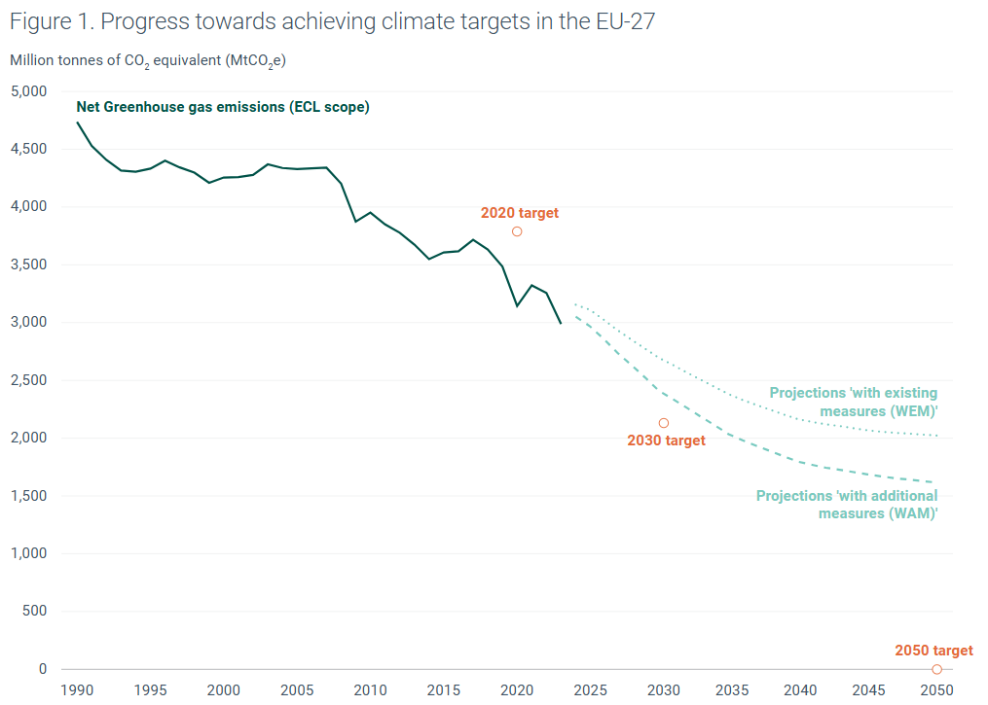

Fig 2
Figure 2 - Greenhouse gas emissions from land use, land-use change and forestry

Year | 1990 | 1991 | 1992 | 1993 | 1994 | 1995 | 1996 | 1997 | 1998 | 1999 | 2000 | 2001 | 2002 | 2003 | 2004 | 2005 | 2006 | 2007 | 2008 | 2009 | 2010 | 2011 | 2012 | 2013 | 2014 | 2015 | 2016 | 2017 | 2018 | 2019 | 2020 | 2021 | 2022 | 2023 | 2024 | 2025 | 2026 | 2027 | 2028 | 2029 | 2030 | 2031 | 2032 | 2033 | 2034 | 2035 | 2036 | 2037 | 2038 | 2039 | 2040 | 2041 | 2042 | 2043 | 2044 | 2045 | 2046 | 2047 | 2048 | 2049 | 2050
Cropland | 67.5 | 64.4 | 64.1 | 61.0 | 60.4 | 58.1 | 57.7 | 55.4 | 54.9 | 51.8 | 49.9 | 43.6 | 43.9 | 43.1 | 42.8 | 43.6 | 43.8 | 48.0 | 49.3 | 48.4 | 39.2 | 38.9 | 38.3 | 38.7 | 36.8 | 31.0 | 25.7 | 26.5 | 24.6 | 22.7 | 23.1 | 20.4 | 21.7
Forest land | -347.3 | -449.6 | -424.8 | -434.7 | -418.7 | -434.0 | -458.6 | -444.5 | -453.3 | -456.3 | -399.5 | -452.0 | -413.8 | -399.8 | -424.9 | -418.4 | -411.7 | -371.0 | -435.9 | -451.2 | -431.9 | -424.2 | -422.6 | -435.2 | -402.5 | -389.4 | -381.0 | -312.4 | -307.0 | -293.9 | -295.2 | -286.9 | -292.4
Grassland | 43.3 | 35.6 | 33.0 | 36.2 | 34.7 | 31.8 | 32.2 | 34.2 | 35.6 | 31.7 | 34.9 | 33.8 | 31.6 | 33.7 | 28.2 | 26.5 | 22.2 | 30.7 | 22.7 | 24.5 | 23.0 | 24.0 | 26.2 | 26.7 | 14.9 | 13.7 | 13.7 | 20.6 | 9.0 | 15.7 | 12.6 | 17.6 | 19.5
Harvested wood products (HWP) | -28.8 | -17.2 | -11.0 | -16.5 | -23.9 | -27.1 | -27.0 | -32.9 | -34.8 | -38.8 | -45.4 | -38.8 | -43.6 | -49.1 | -54.4 | -56.1 | -63.5 | -66.5 | -44.5 | -28.0 | -36.8 | -36.3 | -32.4 | -29.2 | -33.6 | -34.8 | -36.5 | -39.1 | -40.0 | -40.6 | -37.1 | -46.4 | -39.7
Land use, land use change and forestry (LULUCF) | -217.5 | -316.9 | -289.5 | -303.3 | -294.0 | -317.5 | -345.3 | -337.9 | -348.8 | -361.5 | -310.8 | -358.5 | -327.7 | -316.1 | -352.5 | -348.2 | -353.4 | -303.9 | -352.3 | -349.3 | -351.3 | -344.9 | -339.4 | -347.6 | -331.7 | -324.5 | -318.9 | -248.3 | -256.1 | -241.0 | -240.8 | -240.9 | -236.4
Other | 0.1 | 0.1 | 0.1 | 0.1 | 3.9 | 4.4 | 3.4 | 2.7 | 2.2 | 1.8 | 1.5 | 1.3 | 1.1 | 1.0 | 0.9 | 0.8 | 0.7 | 0.6 | 0.6 | 0.6 | 0.5 | 0.5 | 0.5 | 0.5 | 0.5 | 0.5 | 0.4 | 0.4 | 0.4 | 0.4 | 0.4 | 0.4 | 0.4
Settlements | 26.5 | 28.9 | 28.2 | 30.3 | 28.1 | 28.3 | 26.2 | 26.4 | 26.5 | 26.2 | 26.7 | 30.5 | 30.2 | 31.1 | 31.6 | 31.0 | 29.7 | 31.4 | 31.8 | 32.7 | 29.6 | 27.8 | 27.3 | 25.7 | 27.3 | 27.6 | 32.7 | 28.5 | 29.7 | 28.9 | 29.1 | 28.0 | 28.7
Wetlands | 18.8 | 18.8 | 18.7 | 18.1 | 19.3 | 19.2 | 19.0 | 18.9 | 18.1 | 20.1 | 19.1 | 21.1 | 21.0 | 22.1 | 21.4 | 22.3 | 21.9 | 20.8 | 21.6 | 21.3 | 22.7 | 22.3 | 21.1 | 23.2 | 22.5 | 24.5 | 23.8 | 24.9 | 24.4 | 23.7 | 24.2 | 23.9 | 23.2
Other land | 1.3 | 0.9 | 1.0 | 1.0 | 1.1 | 0.8 | 0.8 | 0.9 | 0.9 | 0.9 | 0.9 | 1.0 | 0.9 | 0.9 | 0.9 | 1.0 | 2.4 | 1.0 | 1.0 | 1.3 | 1.2 | 1.1 | 1.1 | 1.0 | 1.1 | 1.2 | 1.1 | 1.1 | 1.7 | 1.1 | 1.1 | 1.1 | 1.1
Projections with existing measures (WEM) |  |  |  |  |  |  |  |  |  |  |  |  |  |  |  |  |  |  |  |  |  |  |  |  |  |  |  |  |  |  |  |  |  | -224.8 | -227.4 | -230.8 | -226.3 | -225.4 | -222.8 | -222.5 | -223.5 | -220.4 | -219.1 | -214.6 | -212.1 | -210.3 | -207.4 | -203.2 | -198.1 | -195.9 | -194.5 | -193.8 | -192.7 | -187.9 | -187.4 | -185.6 | -185.8 | -185.3 | -181.5 | -180.3 | -179.7
Projections with additional measures (WAM) |  |  |  |  |  |  |  |  |  |  |  |  |  |  |  |  |  |  |  |  |  |  |  |  |  |  |  |  |  |  |  |  |  | -231.3 | -238.8 | -242.9 | -238.8 | -239.3 | -237.9 | -239.0 | -240.4 | -237.8 | -236.7 | -235.6 | -232.3 | -231.5 | -228.6 | -225.9 | -221.5 | -221.5 | -220.0 | -220.1 | -220.1 | -216.1 | -215.9 | -214.7 | -215.7 | -216.2 | -213.0 | -212.5 | -211.1
Approximated emissions for LULUCF |  |  |  |  |  |  |  |  |  |  |  |  |  |  |  |  |  |  |  |  |  |  |  |  |  |  |  |  |  |  |  |  |  | -256.6

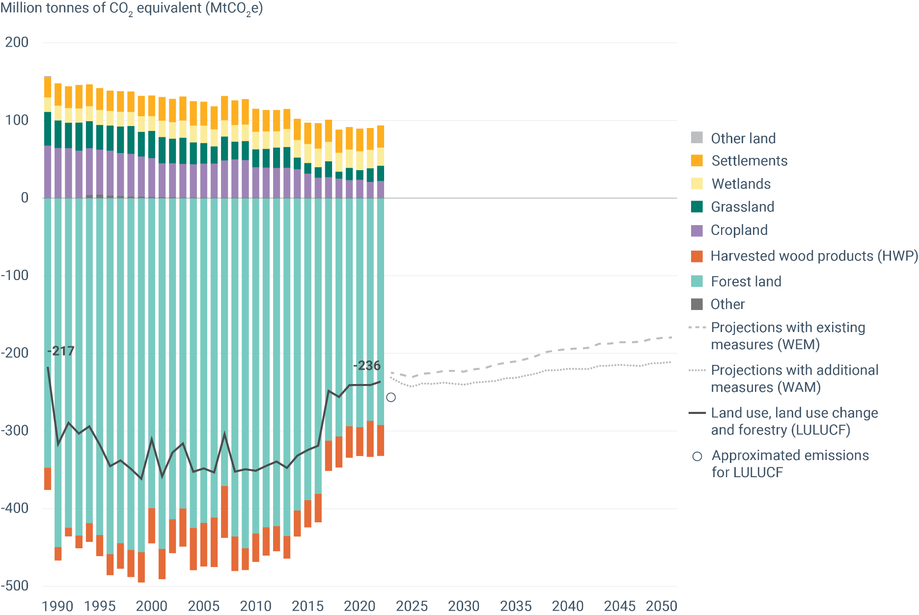

Fig 3
Figure 3 - Climate-related economic losses

Weather- and climate-related events, EU-27
Total losses
Billion
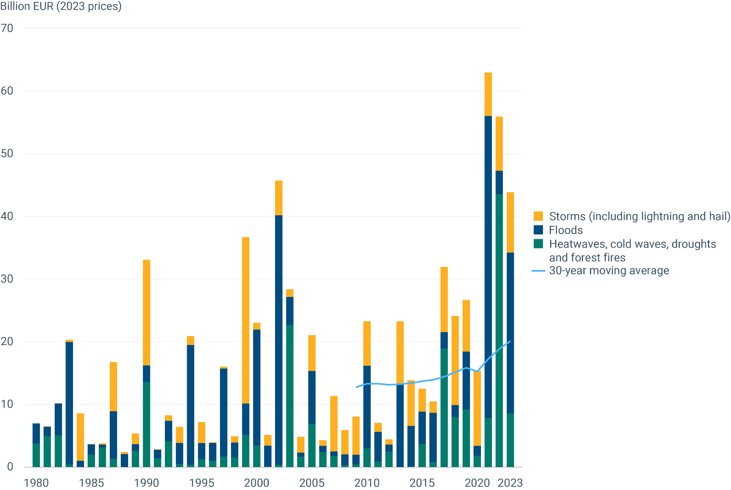
Year | Heatwaves, cold waves, droughts and forest fires | Floods | Storms (inclduing lightning and hail) | 30-year moving average
1980 | 3.743 | 3.226 | 0.000
1981 | 4.962 | 1.484 | 0.043
1982 | 5.072 | 5.082 | 0.015
1983 | 0.397 | 19.580 | 0.354
1984 | 0.000 | 1.025 | 7.573
1985 | 1.971 | 1.667 | 0.017
1986 | 3.130 | 0.460 | 0.185
1987 | 1.339 | 7.593 | 7.839
1988 | 0.000 | 2.077 | 0.331
1989 | 2.608 | 1.050 | 1.687
1990 | 13.551 | 2.683 | 16.854
1991 | 1.371 | 1.380 | 0.093
1992 | 4.121 | 3.288 | 0.834
1993 | 0.518 | 3.321 | 2.554
1994 | 0.338 | 19.177 | 1.423
1995 | 1.275 | 2.562 | 3.329
1996 | 0.977 | 2.883 | 0.108
1997 | 1.671 | 14.054 | 0.295
1998 | 1.525 | 2.410 | 0.990
1999 | 5.146 | 4.980 | 26.577
2000 | 3.438 | 18.521 | 1.081
2001 | 0.116 | 3.306 | 1.683
2002 | 0.365 | 39.832 | 5.523
2003 | 22.692 | 4.498 | 1.192
2004 | 1.684 | 0.606 | 2.527
2005 | 6.945 | 8.372 | 5.737
2006 | 2.390 | 0.990 | 0.905
2007 | 1.722 | 0.763 | 8.841
2008 | 0.271 | 1.764 | 3.882
2009 | 0.401 | 1.582 | 6.082 | 12.750
2010 | 2.970 | 13.237 | 7.067 | 13.294
2011 | 0.863 | 4.728 | 1.478 | 13.313
2012 | 2.445 | 1.155 | 0.825 | 13.122
2013 | 0.009 | 13.331 | 9.932 | 13.220
2014 | 0.141 | 6.410 | 7.295 | 13.395
2015 | 3.692 | 5.169 | 3.635 | 13.689
2016 | 0.777 | 7.868 | 1.834 | 13.913
2017 | 18.932 | 2.628 | 10.377 | 14.418
2018 | 7.970 | 1.951 | 14.221 | 15.143
2019 | 9.206 | 9.240 | 8.217 | 15.853
2020 | 1.814 | 1.565 | 11.972 | 15.262
2021 | 7.831 | 48.205 | 6.945 | 17.267
2022 | 43.580 | 3.755 | 8.621 | 18.857
2023 | 8.540 | 25.704 | 9.635 | 20.107

Fig 4
Figure 4 - Drought impact on ecosystems

Year | Cropland | Forest and woodland | Grassland | Heathland and shrub | Inland wetlands | Sparsely vegetated land | Urban
2000 | 74084 | 74912 | 15582 | 8700 | 354 | 2011 | 6834
2001 | 34478 | 48976 | 6608 | 3075 | 49 | 1463 | 3007
2002 | 48784 | 42962 | 8089 | 3845 | 1142 | 1200 | 3218
2003 | 146852 | 157587 | 57979 | 1931 | 2851 | 1279 | 19313
2004 | 3549 | 11868 | 1371 | 62 | 218 | 76 | 788
2005 | 109604 | 73023 | 18572 | 17940 | 51 | 1419 | 5315
2006 | 36595 | 74976 | 6676 | 2072 | 3022 | 368 | 3443
2007 | 36116 | 24470 | 4895 | 2142 | 169 | 876 | 2575
2008 | 13436 | 11823 | 2024 | 5810 | 112 | 1274 | 1235
2009 | 31299 | 22269 | 6628 | 6710 | 807 | 909 | 1350
2010 | 5604 | 10913 | 1644 | 1161 | 1282 | 364 | 453
2011 | 50329 | 32813 | 11377 | 2229 | 511 | 545 | 4804
2012 | 182832 | 113535 | 37601 | 24864 | 470 | 2322 | 14650
2013 | 1689 | 3323 | 861 | 732 | 287 | 98 | 252
2014 | 10481 | 11870 | 3179 | 4896 | 659 | 360 | 1157
2015 | 47291 | 32570 | 11864 | 2987 | 1176 | 388 | 6413
2016 | 24032 | 23759 | 4796 | 8338 | 785 | 829 | 2369
2017 | 65411 | 61375 | 10551 | 7924 | 1190 | 3185 | 6271
2018 | 115772 | 97925 | 30853 | 3000 | 5539 | 1084 | 17893
2019 | 126554 | 114616 | 40360 | 4784 | 2488 | 890 | 15014
2020 | 80807 | 70658 | 28355 | 1491 | 2002 | 424 | 16789
2021 | 31404 | 60559 | 4462 | 6564 | 3318 | 1662 | 2941
2022 | 313719 | 176948 | 97064 | 16334 | 1259 | 3640 | 39785
2023 | 66436 | 51742 | 11182 | 6400 | 1533 | 763 | 5444

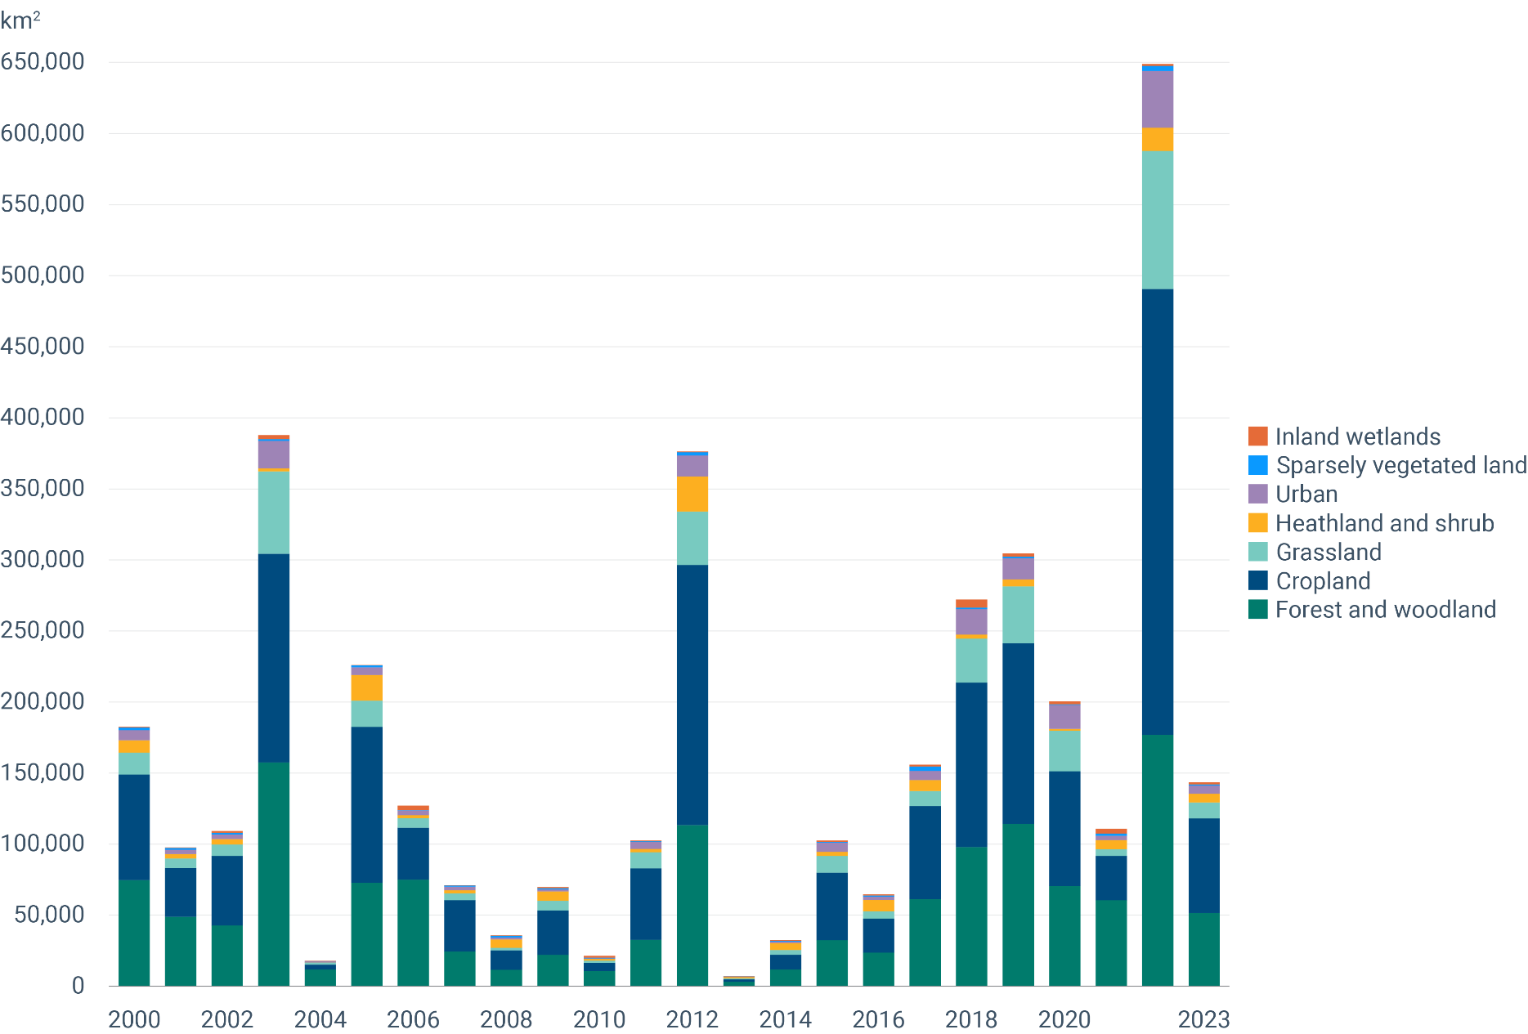

Fig 5
Figure 5 - Raw material consumption

Raw material consumption in tonnes per capita | 2010 | 2011 | 2012 | 2013 | 2014 | 2015 | 2016 | 2017 | 2018 | 2019 | 2020 | 2021 | 2022 | 2023
Biomass | 3 | 3 | 3 | 3 | 3 | 3 | 3 | 3 | 3 | 3 | 3 | 3 | 3 | 3
Metal ores (gross ores) | 1 | 2 | 1 | 1 | 1 | 1 | 2 | 2 | 2 | 1 | 1 | 1 | 1 | 1
Non-metallic minerals | 7 | 8 | 7 | 6 | 6 | 6 | 6 | 6 | 7 | 7 | 7 | 7 | 7 | 7
Fossil energy materials/carriers | 4 | 4 | 3 | 3 | 3 | 3 | 3 | 3 | 3 | 3 | 3 | 3 | 3 | 2

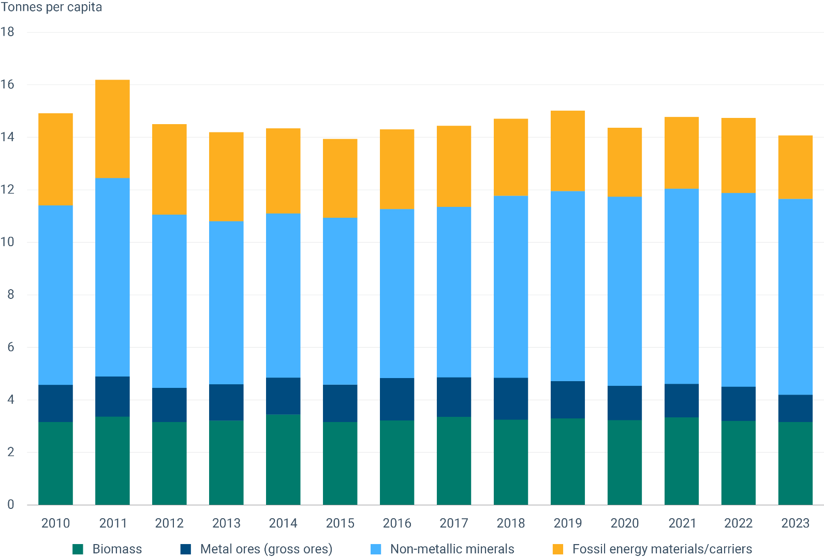

Fig 6
Figure 6 - Total waste generation

Waste generation and decoupling per capita in the EU-27
Index (2010=100%)
 | 2010 | 2011 | 2012 | 2013 | 2014 | 2015 | 2016 | 2017 | 2018 | 2019 | 2020 | 2021 | 2022
Total waste generation | 100 |  | 101.3753 |  | 100.8970 |  | 101.1361 |  | 104.3452 |  | 96.0136 |  | 99.4818
Waste excluding major mineral waste | 100 |  | 100 |  | 101 |  | 102 |  | 106 |  | 101 |  | 103
Gross domestic product (GDP) | 100 | 102 | 101 | 101 | 103 | 105 | 107 | 110 | 112 | 115 | 108 | 115 | 119

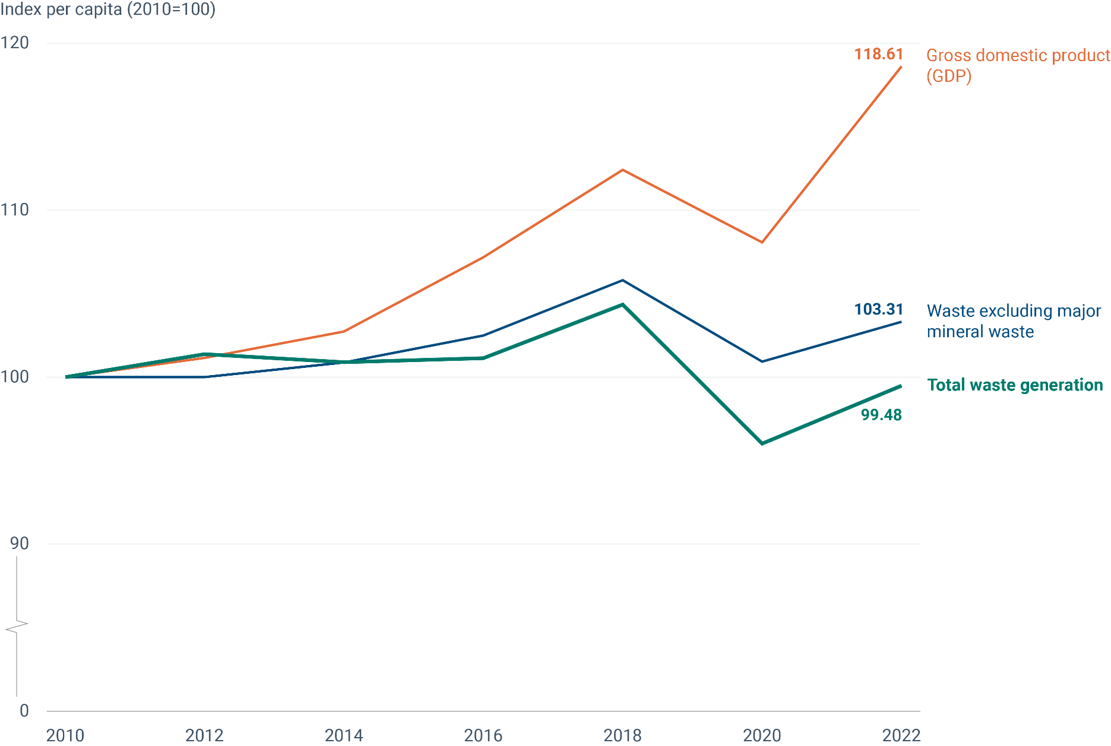

Fig 7
Figure 7 - Premature deaths due to exposure to fine particulate matter

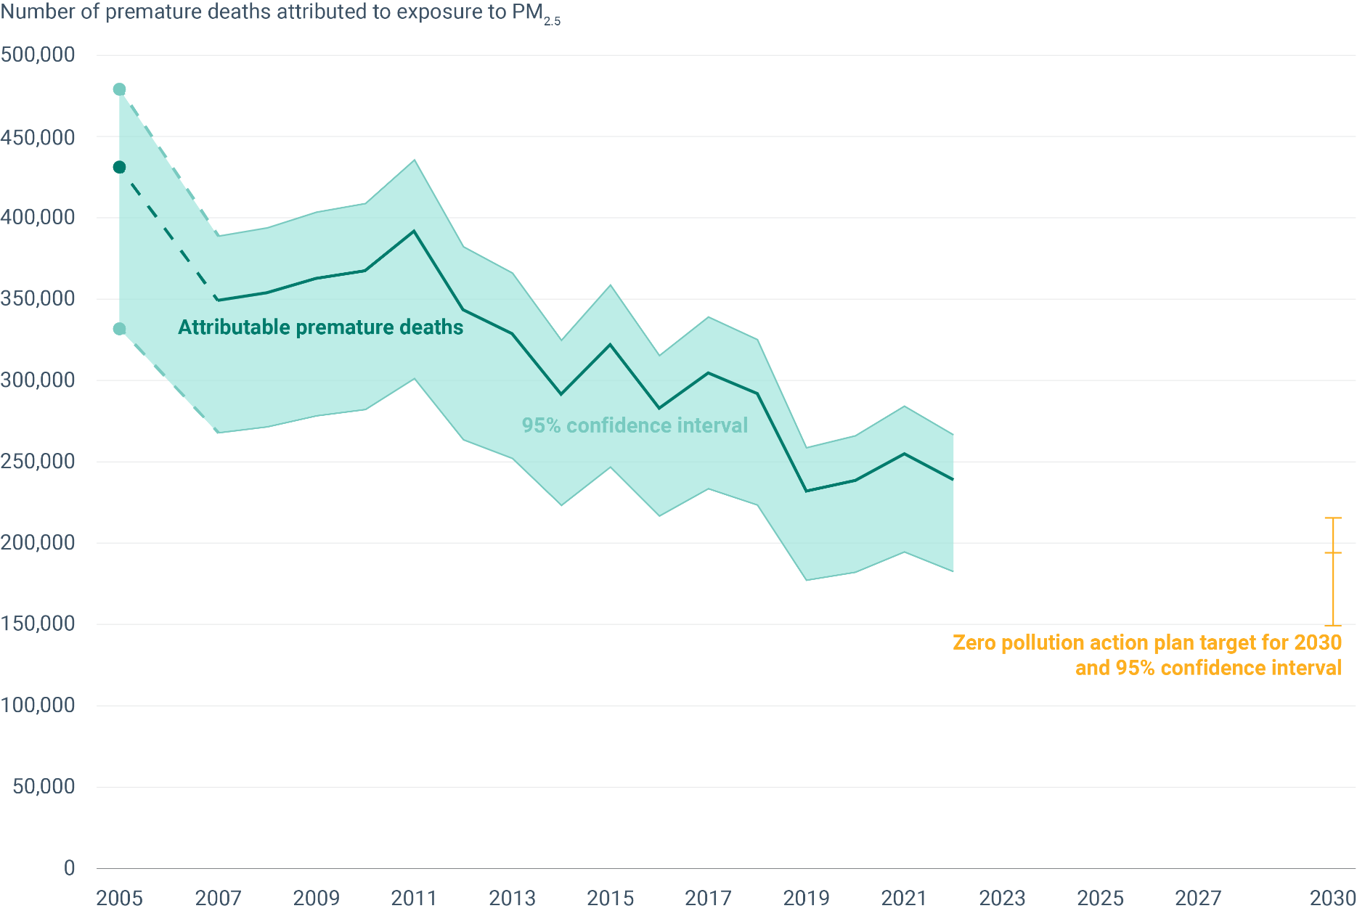
Year | Attributable premature deaths | Attributable premature deaths - lower CI | Attributable premature deaths - upper CI
2005 | 431176 | 331762 | 479012
2006
2007 | 349309 | 267906 | 388669
2008 | 353980 | 271563 | 393816
2009 | 362648 | 278180 | 403480
2010 | 367483 | 282034 | 408761
2011 | 391858 | 301125 | 435599
2012 | 343452 | 263457 | 382133
2013 | 328755 | 251960 | 365928
2014 | 291644 | 223289 | 324788
2015 | 322107 | 246771 | 358609
2016 | 283022 | 216655 | 315210
2017 | 304643 | 233531 | 339055
2018 | 291903 | 223429 | 325119
2019 | 231944 | 177148 | 258615
2020 | 238554 | 182147 | 266019
2021 | 254843 | 194596 | 284168
2022 | 239059 | 182471 | 266625
2023
2024
2025
2026
2027
2028
2029
2030 | 194029.2 | 149292.9 | 215555.4

Fig 8
Figure 8 - Nitrates in groundwater

Year | concentration
2000 | 21.23
2001 | 21.09
2002 | 20.59
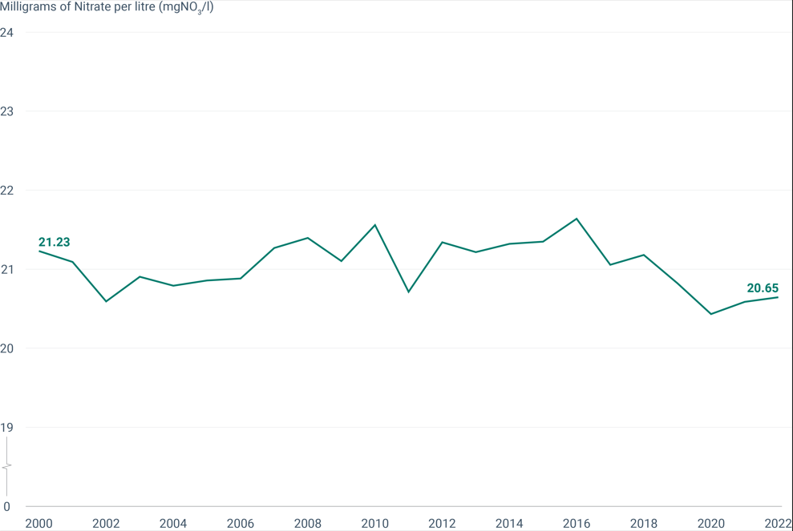
2003 | 20.91
2004 | 20.79
2005 | 20.86
2006 | 20.88
2007 | 21.27
2008 | 21.39
2009 | 21.10
2010 | 21.56
2011 | 20.72
2012 | 21.34
2013 | 21.22
2014 | 21.32
2015 | 21.35
2016 | 21.64
2017 | 21.06
2018 | 21.18
2019 | 20.82
2020 | 20.43
2021 | 20.59
2022 | 20.65

Fig 9
Figure 9 - Designated terrestrial protected areas

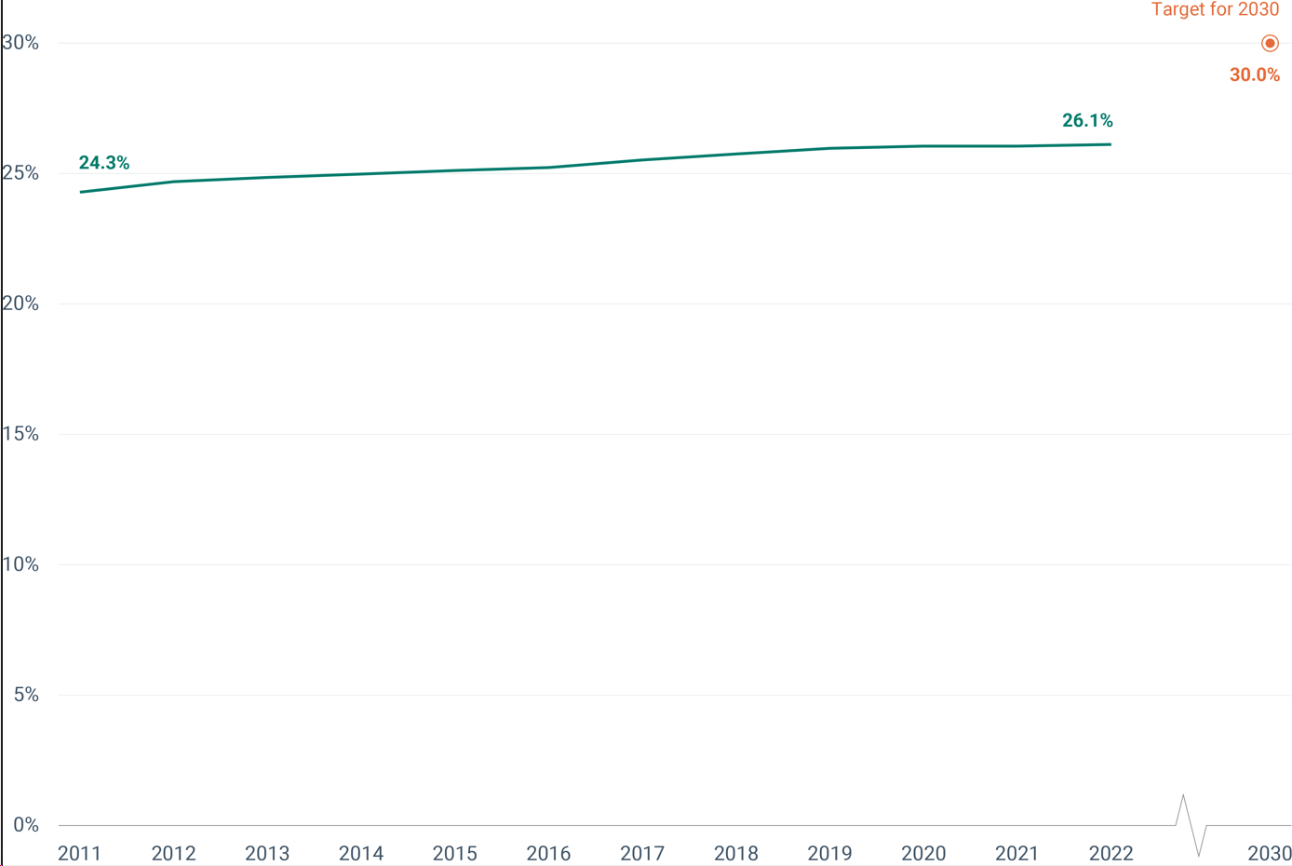
Year | Coverage of protected areas (km2) | Coverage of terrestrial protected areas in the EU-27 | EU-27 land Area
2011 | 1003557.75 | 24.3% | 4135259.35
2012 | 1020306.03 | 24.7% | 4135259.35
2013 | 1027027.15 | 24.8% | 4135259.35
2014 | 1032320.37 | 25.0% | 4135259.35
2015 | 1037902.05 | 25.1% | 4135259.35
2016 | 1042644.81 | 25.2% | 4135259.35
2017 | 1054660.83 | 25.5% | 4135259.35
2018 | 1064348.30 | 25.7% | 4135259.35
2019 | 1073237.19 | 26.0% | 4135259.35
2020 | 1076627.85 | 26.0% | 4135259.35
2021 | 1075939.37 | 26.0% | 4135259.35
2022 | 1079412.01 | 26.1% | 4135259.35

Fig 10
Figure 10 - Designated marine protected areas

Year | Marine protected area coverage | Target for 2030
2012 | 5.9
2016 | 10.8
2019 | 12
2021 | 12.1
2022 | 12.3
2023
2024
2025
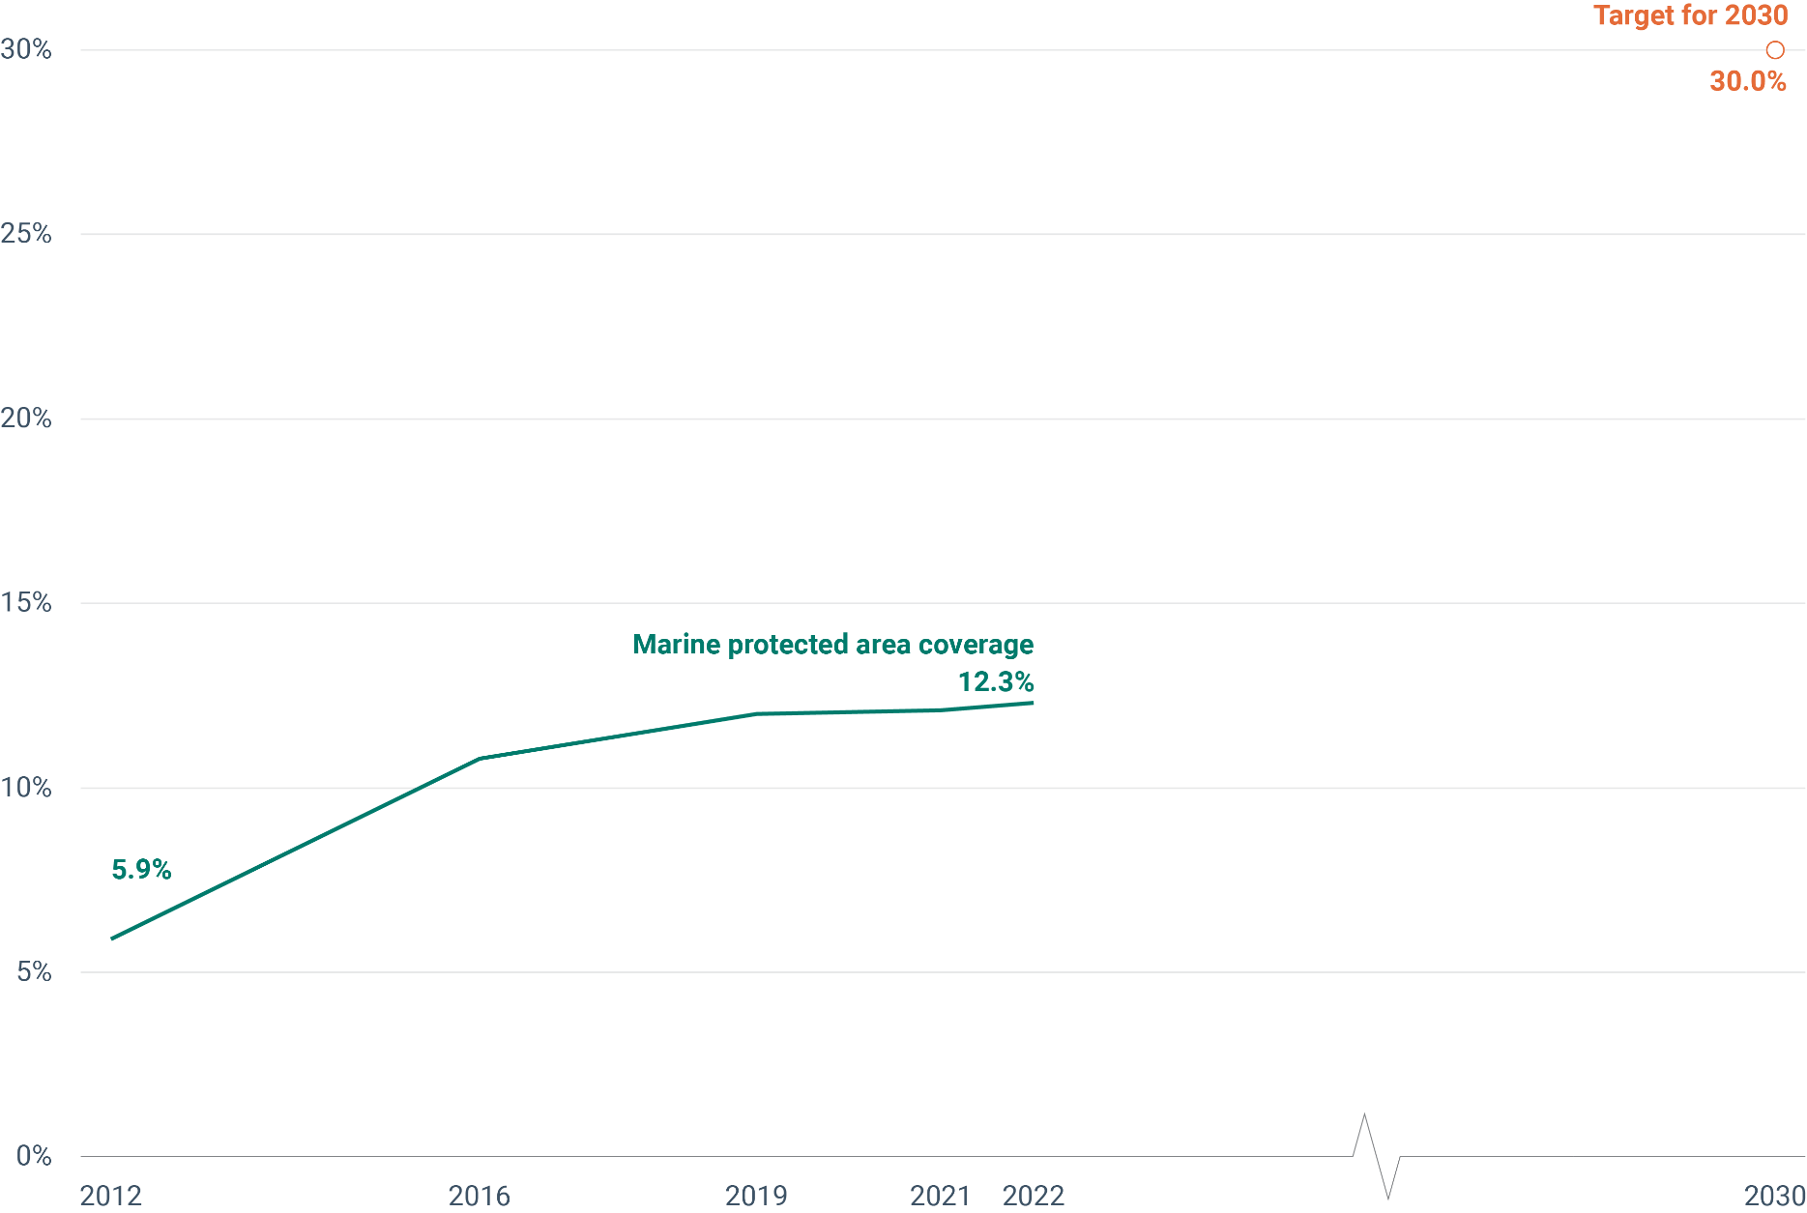
2026
2027
2028
2029
2030 |  | 30

Fig 11
Figure 11 - Common bird index

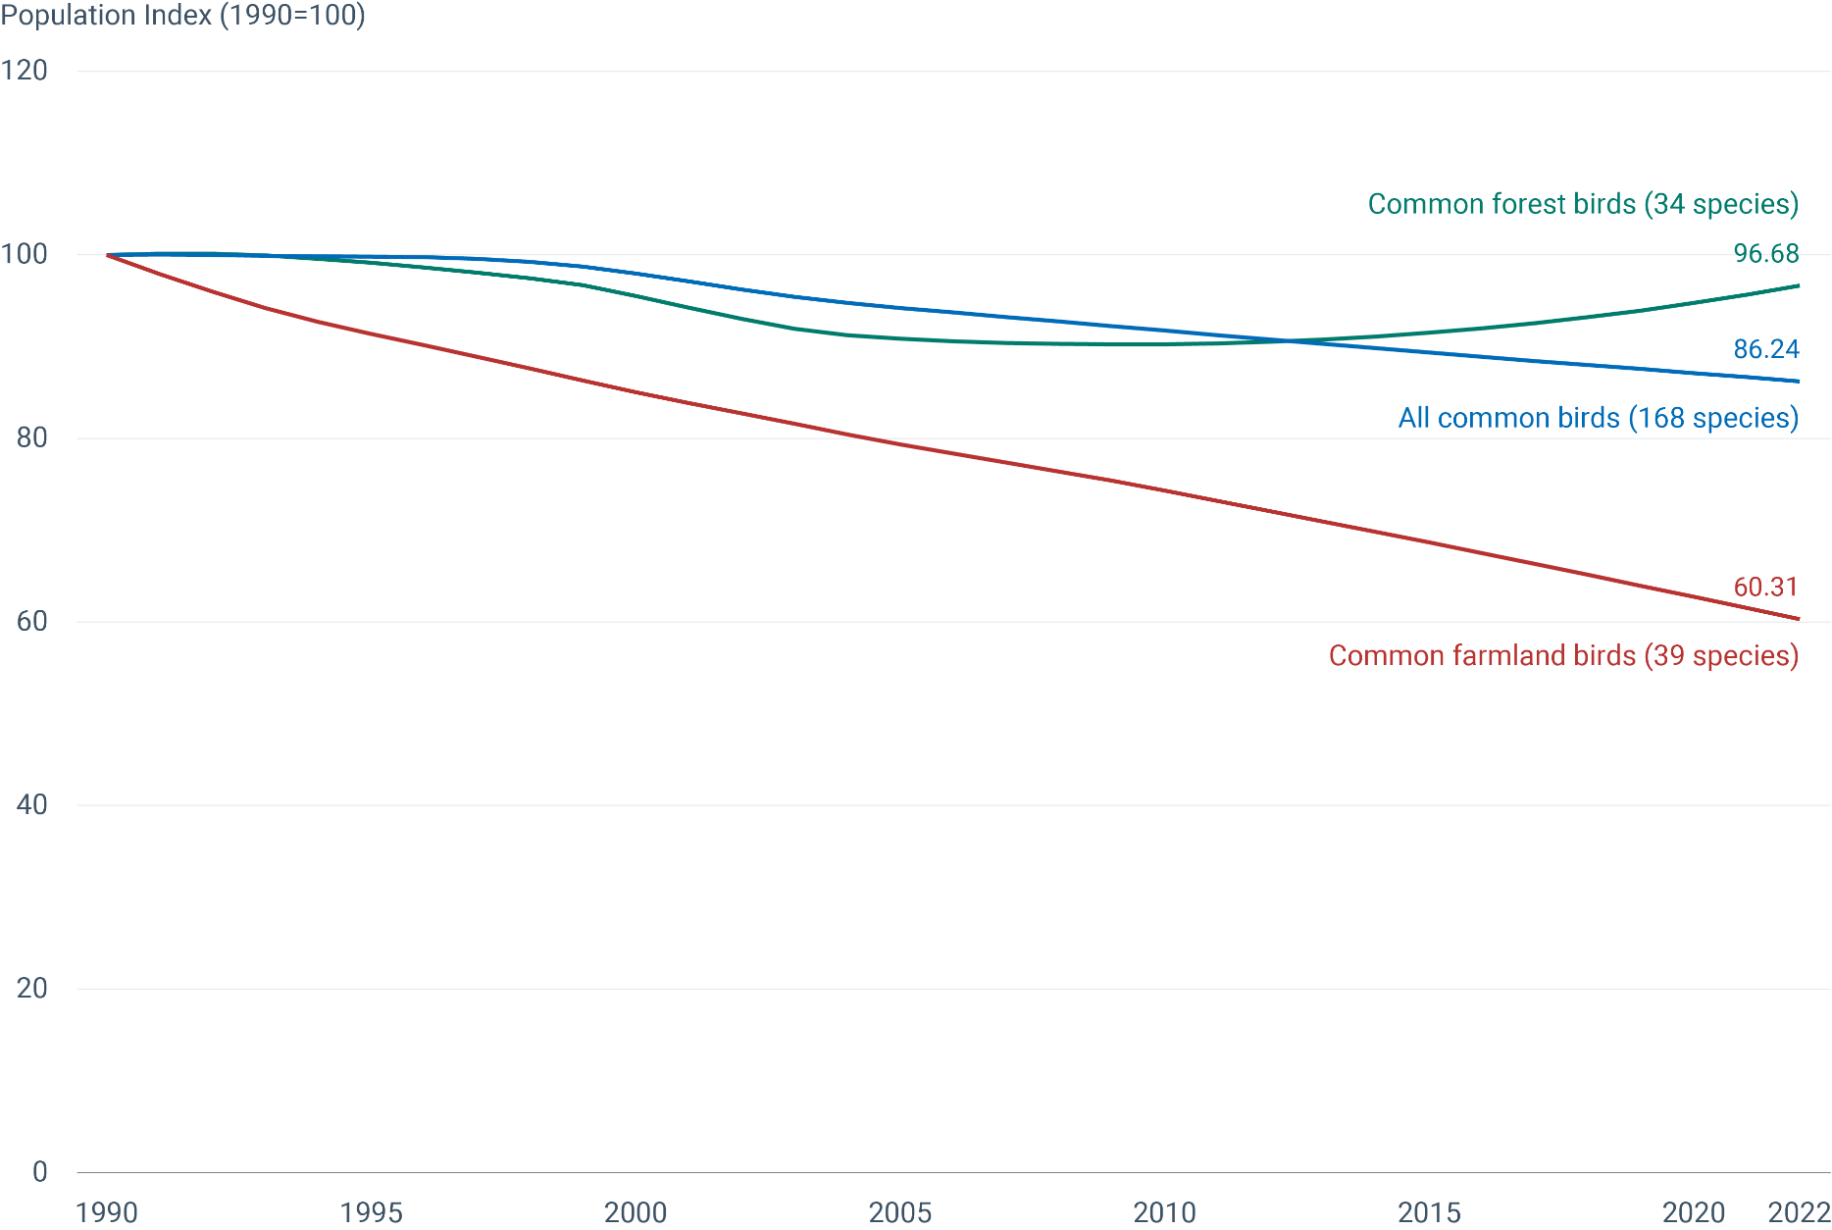
Year | All common birds (168 species) | Lower confidence limit (95%) | Upper confidence limit (95%) | Common farmland birds (39 species) | Lower confidence limit (95%) | Upper confidence limit (95%) | Common forest birds (34 species) | Lower confidence limit (95%) | Upper confidence limit (95%)
1990 | 100 | 97.76 | 101.75 | 100 | 95.48 | 104.47 | 100 | 96.23 | 104.25
1991 | 100.04 | 97.76 | 101.75 | 97.94 | 93.59 | 102.4 | 100.16 | 96.23 | 104.25
1992 | 100 | 97.76 | 101.75 | 95.99 | 91.73 | 100.37 | 100.15 | 96.23 | 104.25
1993 | 99.91 | 97.76 | 101.75 | 94.23 | 89.92 | 98.38 | 99.94 | 96.23 | 104.25
1994 | 99.87 | 97.76 | 101.75 | 92.73 | 88.14 | 97.4 | 99.59 | 95.28 | 103.21
1995 | 99.83 | 97.76 | 101.75 | 91.39 | 87.26 | 96.44 | 99.14 | 95.28 | 103.21
1996 | 99.74 | 97.76 | 101.75 | 90.15 | 85.53 | 95.48 | 98.62 | 94.33 | 103.21
1997 | 99.56 | 97.76 | 101.75 | 88.91 | 83.84 | 93.59 | 98.06 | 94.33 | 102.18
1998 | 99.25 | 96.78 | 101.75 | 87.61 | 83 | 92.65 | 97.48 | 93.39 | 102.18
1999 | 98.73 | 96.78 | 100.73 | 86.3 | 81.36 | 91.73 | 96.69 | 92.46 | 101.17
2000 | 97.99 | 95.82 | 99.73 | 85.06 | 80.55 | 89.92 | 95.55 | 91.54 | 99.16
2001 | 97.13 | 94.87 | 98.74 | 83.88 | 78.95 | 89.02 | 94.27 | 90.63 | 98.18
2002 | 96.25 | 93.92 | 98.74 | 82.72 | 78.17 | 88.14 | 93.02 | 89.73 | 97.2
2003 | 95.44 | 92.99 | 97.76 | 81.59 | 76.62 | 86.39 | 91.96 | 87.95 | 96.23
2004 | 94.77 | 92.99 | 96.78 | 80.45 | 75.86 | 85.53 | 91.27 | 87.08 | 95.28
2005 | 94.23 | 92.06 | 95.82 | 79.37 | 74.36 | 84.68 | 90.88 | 87.08 | 94.33
2006 | 93.72 | 92.06 | 95.82 | 78.36 | 73.62 | 83.84 | 90.6 | 87.08 | 94.33
2007 | 93.22 | 91.15 | 94.87 | 77.39 | 72.88 | 82.18 | 90.41 | 87.08 | 94.33
2008 | 92.74 | 91.15 | 94.87 | 76.41 | 71.44 | 81.36 | 90.3 | 87.08 | 94.33
2009 | 92.26 | 90.24 | 93.92 | 75.4 | 70.73 | 80.55 | 90.27 | 87.08 | 94.33
2010 | 91.77 | 90.24 | 93.92 | 74.32 | 70.03 | 78.95 | 90.28 | 87.08 | 94.33
2011 | 91.27 | 89.34 | 92.99 | 73.19 | 68.64 | 78.17 | 90.37 | 87.08 | 94.33
2012 | 90.79 | 89.34 | 92.99 | 72.07 | 67.96 | 76.62 | 90.54 | 87.08 | 94.33
2013 | 90.31 | 88.45 | 92.06 | 70.94 | 66.61 | 75.86 | 90.78 | 87.08 | 94.33
2014 | 89.84 | 88.45 | 92.06 | 69.81 | 65.29 | 74.36 | 91.11 | 87.95 | 94.33
2015 | 89.38 | 87.57 | 91.15 | 68.67 | 64.64 | 73.62 | 91.52 | 87.95 | 95.28
2016 | 88.91 | 86.7 | 91.15 | 67.5 | 62.73 | 72.16 | 92.01 | 88.83 | 95.28
2017 | 88.45 | 86.7 | 90.24 | 66.32 | 61.49 | 71.44 | 92.57 | 88.83 | 96.23
2018 | 88 | 85.84 | 90.24 | 65.13 | 59.67 | 70.73 | 93.22 | 88.83 | 97.2
2019 | 87.56 | 84.98 | 90.24 | 63.93 | 57.91 | 70.03 | 93.95 | 88.83 | 99.16
2020 | 87.11 | 84.14 | 90.24 | 62.73 | 56.2 | 70.03 | 94.77 | 89.73 | 100.16
2021 | 86.68 | 83.3 | 90.24 | 61.52 | 53.99 | 70.03 | 95.68 | 89.73 | 102.18
2022 | 86.24 | 82.47 | 90.24 | 60.31 | 51.88 | 70.03 | 96.68 | 89.73 | 104.25

Fig 12
Figure 12 - Forest connectivity

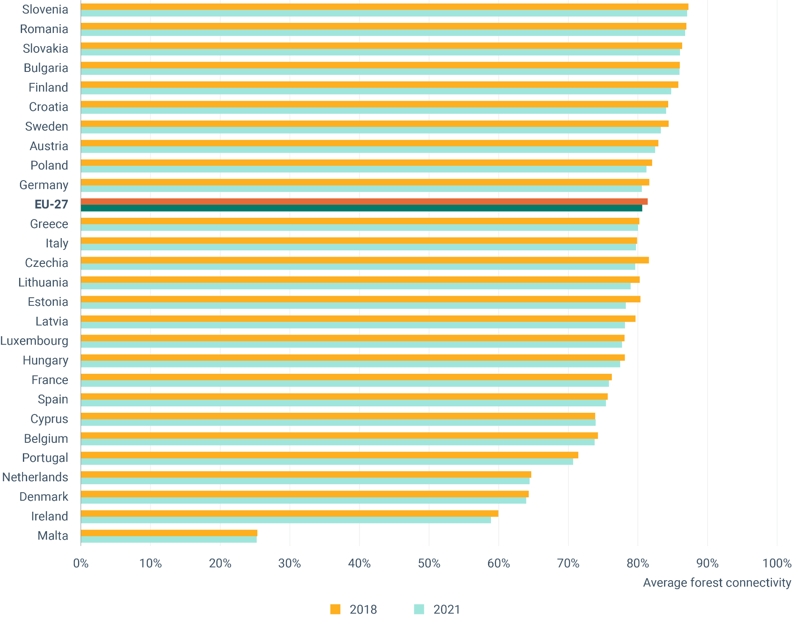
Country | Average connectivity 2018 | Average connectivity 2021
Slovenia | 87.2% | 87.1%
Romania | 87.0% | 86.8%
Slovakia | 86.3% | 86.1%
Bulgaria | 86.0% | 86.0%
Finland | 85.8% | 84.8%
Croatia | 84.3% | 84.0%
Sweden | 84.4% | 83.3%
Austria | 82.9% | 82.5%
Poland | 82.0% | 81.2%
Germany | 81.6% | 80.6%
EU-27 | 81.4% | 80.6%
Greece | 80.2% | 80.0%
Italy | 79.9% | 79.7%
Czechia | 81.6% | 79.6%
Lithuania | 80.3% | 79.0%
Estonia | 80.4% | 78.3%
Latvia | 79.6% | 78.1%
Luxembourg | 78.1% | 77.7%
Hungary | 78.1% | 77.5%
France | 76.3% | 75.8%
Spain | 75.7% | 75.4%
Cyprus | 73.9% | 73.9%
Belgium | 74.3% | 73.8%
Portugal | 71.4% | 70.7%
Netherlands | 64.7% | 64.4%
Denmark | 64.3% | 63.9%
Ireland | 60.0% | 58.9%
Malta | 25.3% | 25.3%

Fig 13
Figure 1 3 - Energy consumtpion
...
Mtoe | Scenario | 2005 | 2006 | 2007 | 2008 | 2009 | 2010 | 2011 | 2012 | 2013 | 2014 | 2015 | 2016 | 2017
Primary energy consumption (PEC) | Historical | 1497.8 | 1511.4 | 1490.2 | 1488.8 | 1403.3 | 1458.3 | 1412.8 | 1397.0 | 1384.8 | 1330.8 | 1353.4 | 1364.9 | 1385.1
Final energy consumption (FEC) | Historical | 1017.2 | 1021.8 | 1004.3 | 1013.9 | 965.1 | 1003.6 | 965.1 | 963.4 | 961.5 | 919.0 | 939.9 | 959.3 | 970.9
PEC target | PEC 2030 target
FEC target | FEC 2030 target

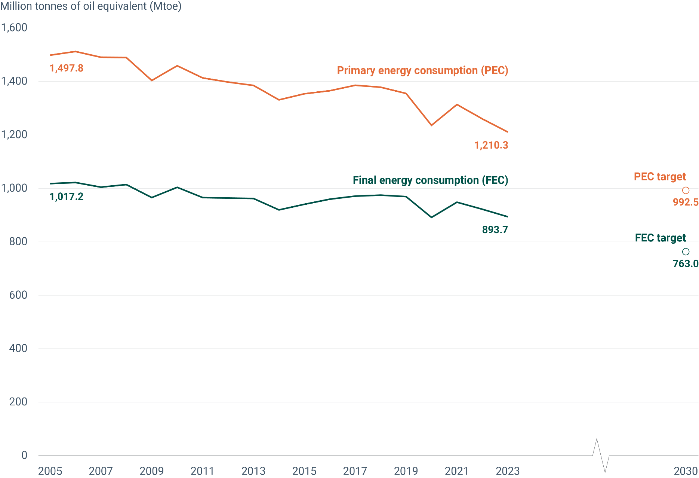

Fig 14
Figure 14 - Share of renewable energy in gross final energy consumption

Year | 2030 target | Renewable energy share
2005 |  | 10.18
2006 |  | 10.78
2007 |  | 11.75
2008 |  | 12.55
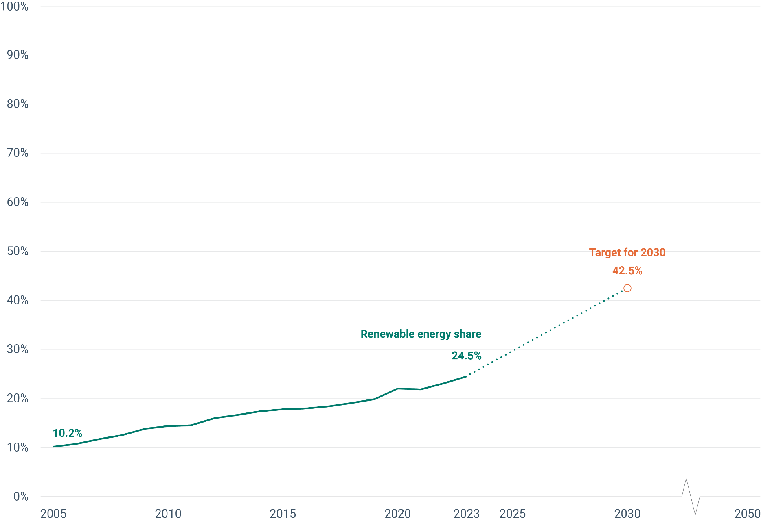
2009 |  | 13.85
2010 |  | 14.41
2011 |  | 14.55
2012 |  | 16.00
2013 |  | 16.66
2014 |  | 17.42
2015 |  | 17.82
2016 |  | 17.98
2017 |  | 18.41
2018 |  | 19.10
2019 |  | 19.89
2020 |  | 22.04
2021 |  | 21.89
2022 |  | 23.09
2023 |  | 24.53
2024
2025
2026
2027
2028
2029
2030 | 42.5

Fig 15
...
Material | 2010 | 2011 | 2012 | 2013 | 2014 | 2015 | 2016 | 2017 | 2018 | 2019 | 2020 | 2021
Total | 10.7 | 10.2 | 11.0 | 11.2 | 11.1 | 11.2 | 11.4 | 11.5 | 11.6 | 11.2 | 11.2 | 11.1
Biomass | 8.7 | 8.5 | 9.0 | 8.8 | 8.3 | 9.2 | 9.3 | 9.0 | 9.3 | 9.1 | 9.3 | 8.9
Metal ores (gross ores) | 24.0 | 24.4 | 26.8 | 23.6 | 25.0 | 22.3 | 21.8 | 22.8 | 22.4 | 22.8 | 23.3 | 22.6
Non-metallic minerals | 14.1 | 13.1 | 14.4 | 15.0 | 14.8 | 14.6 | 14.8 | 15.0 | 14.8 | 13.7 | 13.1 | 13.1
Fossil energy materials/carriers | 2.0 | 2.0 | 2.1 | 2.3 | 2.5 | 2.4 | 2.5 | 2.5 | 2.6 | 2.8 | 3.2 | 3.0

Target for 2030

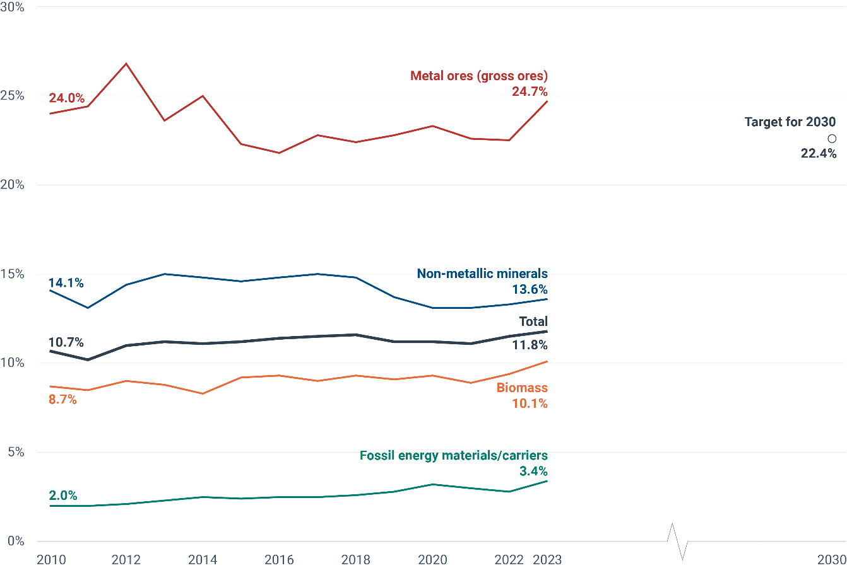

Fig 16
Figure 16 - Share of busses and trains in inland passenger transport

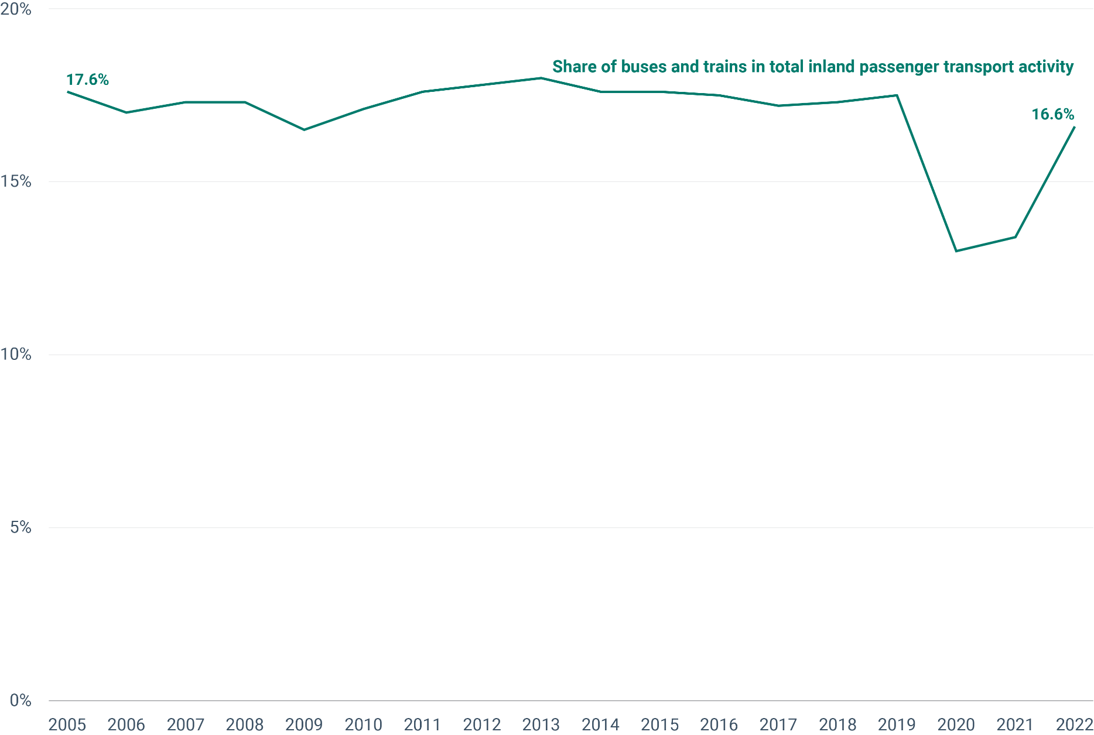
Year | Share of buses and trains in total inland passenger transport activity
2005 | 17.6
2006 | 17
2007 | 17.3
2008 | 17.3
2009 | 16.5
2010 | 17.1
2011 | 17.6
2012 | 17.8
2013 | 18
2014 | 17.6
2015 | 17.6
2016 | 17.5
2017 | 17.2
2018 | 17.3
2019 | 17.5
2020 | 13
2021 | 13.4
2022 | 16.6

Fig 17
...
2016 | 2017 | 2018 | 2019 | 2020 | 2021 | 2022 | 2030
7.09% | 7.47% | 7.99% | 8.47% | 9.09% | 9.90% | 10.49% | 25.00%
25.00% | 25.00% | 25.00% | 25.00% | 25.00% | 25.00% | 25.00% | 25.00%

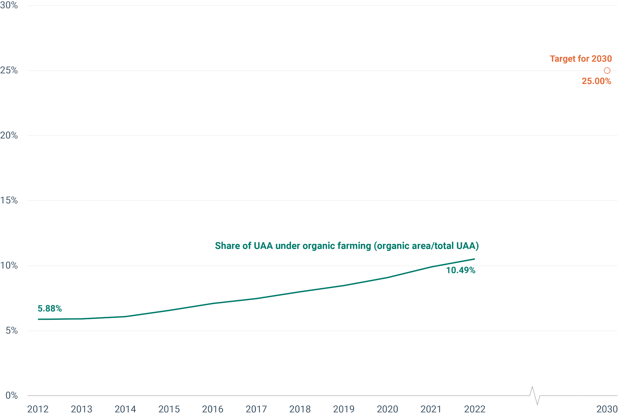

Fig 18
...
 | 2010 | 2011 | 2012 | 2013 | 2014 | 2015 | 2016 | 2017 | 2018 | 2019 | 2020 | 2021 | 2022
Energy taxes | 197,633 | 205,686 | 209,805 | 212,784 | 216,143 | 218,765 | 225,530 | 227,809 | 230,339 | 229,579 | 204,213 | 221,677 | 198,674
Transport taxes | 52,401 | 53,379 | 52,433 | 52,096 | 52,781 | 54,002 | 55,216 | 57,589 | 56,896 | 56,380 | 51,171 | 51,594 | 49,774
Pollution & resource taxes | 9,142 | 9,388 | 9,613 | 9,452 | 9,793 | 10,164 | 10,087 | 10,065 | 10,209 | 10,502 | 10,209 | 10,628 | 11,134
Share of total social contributions (%) | 6.0 | 6.1 | 6.0 | 6.0 | 6.0 | 6.0 | 6.0 | 6.0 | 5.9 | 5.8 | 5.4 | 5.4 | 4.8

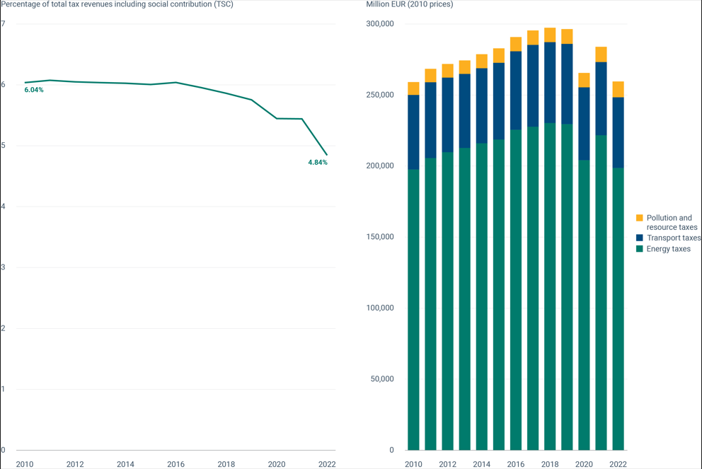

Fig 20
...
 | 2018 | 2019 | 2020 | 2021 | 2022 | 2023 | Change over time (%)
Corporations | 127 | 135 | 131 | 143 | 150 | 143 | 12%
General government; non-profit institutions serving households | 75 | 77 | 79 | 81 | 84 | 84 | 12%
Households | 54 | 53 | 52 | 52 | 51 | 48 | -11%
Environmental protection expenditure as a share of GDP (%) | 2.1% | 2.1% | 2.2% | 2.2% | 2.2% | 2.1%

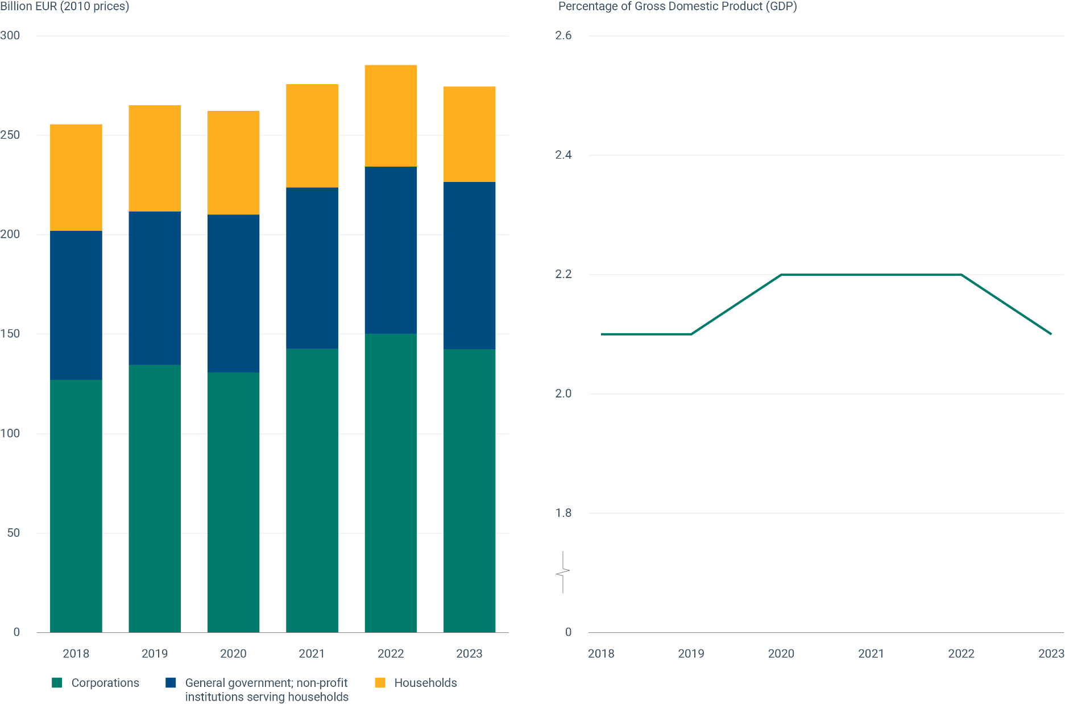

Fig 21
Figure 21 - Share of green bonds in total issued bonds

 |  | TIME
Type | GEO (Labels) | 2014 | 2015 | 2016 | 2017 | 2018 | 2019 | 2020 | 2021 | 2022 | 2023
AGG | European Union (aggregate changing according to the context)
AGG | All Issuers | 0.30% | 0.55% | 0.73% | 2.65% | 2.01% | 3.44% | 3.61% | 7.29% | 9.16% | 6.77%
Issuer | Corporates | 0.41% | 0.79% | 0.99% | 1.98% | 1.66% | 4.08% | 4.66% | 8.34% | 11.06% | 7.10%
Issuer | Governments | 0.09% | 0.12% | 0.23% | 3.98% | 2.95% | 1.94% | 1.90% | 5.32% | 5.07% | 5.91%

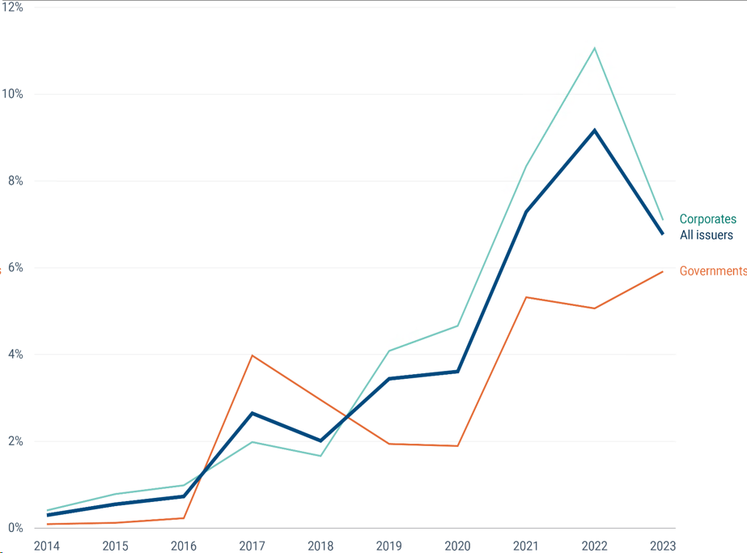

Fig 22
...
Index, 2014 = 100
 |  | 2014 | 2015 | 2016 | 2017 | 2018 | 2019 | 2020 | 2021 | 2022 | 2023 | 2024
EU27_2020 | EU27 | 100 | 101.9 | 104.2 | 104 | 107.4 | 108 | 109.6 | 115 | 118.9 | 123.7 | 127.5

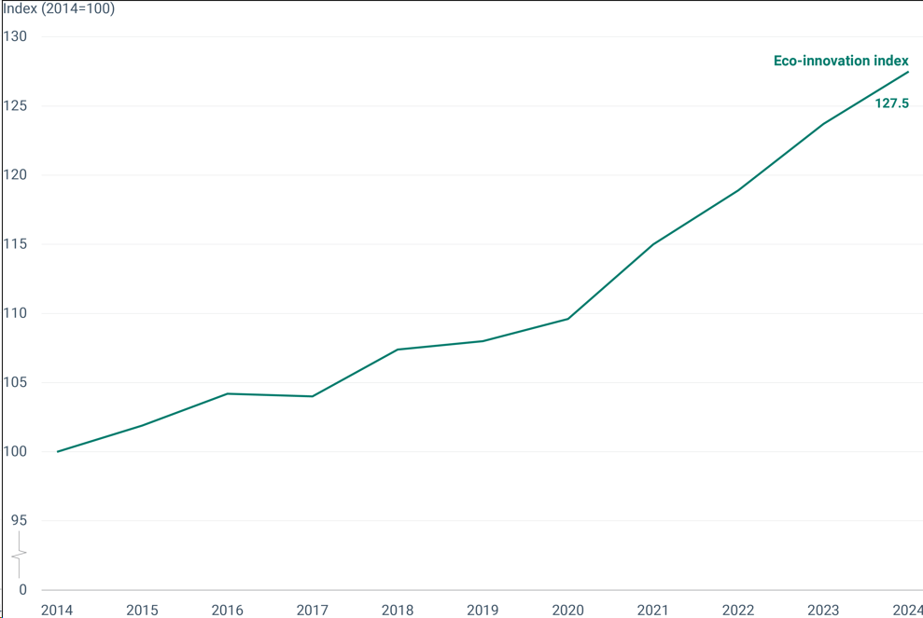

Fig 23
...
Land cover | Net land take (km2):number
Complex and mixed cultivation | 3.9
Open spaces with little or no vegetations | 0.5
Water | -11
Herbaceous vegetation associations | -62.2

Please refer to the live indicator page for metadata: | https://www.eea.europa.eu/en/analysis/indicators/net-land-take-in-cities

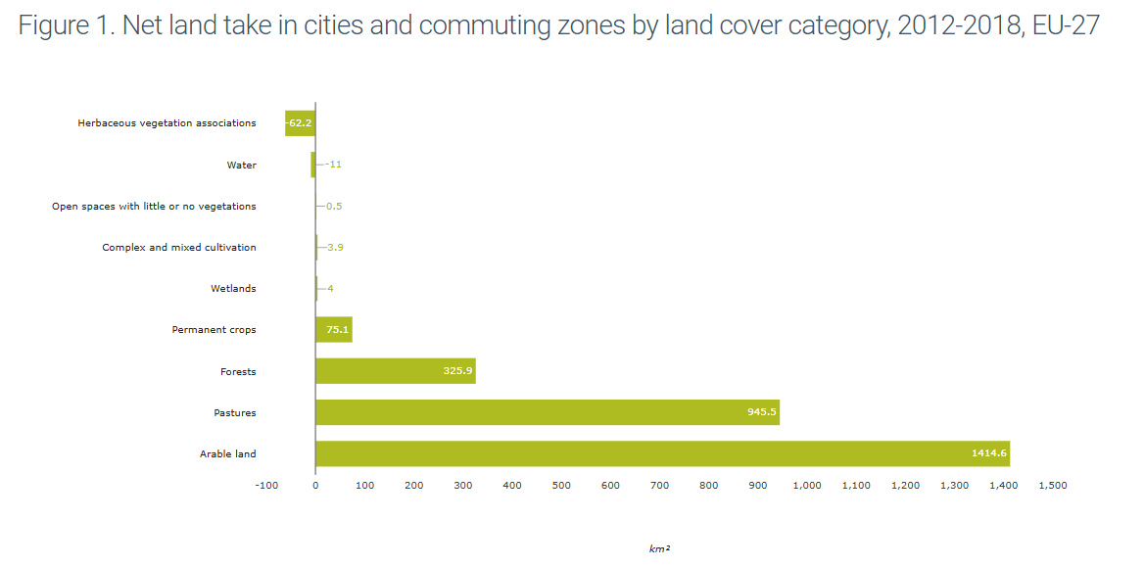

Fig 24
...
Year | Share of EU land area affected by water scarcity condition | Share of EU population affected by water scarcity condition
2020 | 33% | 37%
2022 | 34% | 41%

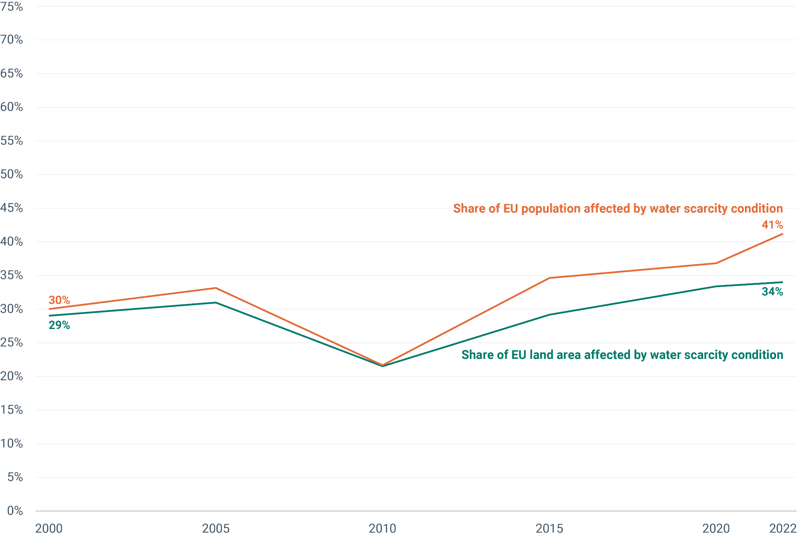

Fig 25
...
Index | 2010 | 2011 | 2012 | 2013 | 2014 | 2015 | 2016 | 2017 | 2018 | 2019 | 2020 | 2021 | 2022
Climate change | 23.89 | 23.73 | 23.57 | 23.64 | 23.74 | 23.94 | 24.52 | 25.02 | 25.32 | 25.42 | 23.41 | 24.24 | 25.29
Resource use, fossil | 14.26 | 14.11 | 13.95 | 13.88 | 13.77 | 13.88 | 14.13 | 14.39 | 14.62 | 14.66 | 13.30 | 13.77 | 14.49
Particulate matter | 11.36 | 11.24 | 11.30 | 11.30 | 11.42 | 11.49 | 11.78 | 12.01 | 12.00 | 12.04 | 11.66 | 11.94 | 12.04
Other environmental footprint (EF) impact categories | 50.49 | 50.63 | 50.39 | 50.69 | 51.77 | 51.89 | 53.33 | 54.40 | 54.52 | 54.78 | 53.01 | 54.61 | 55.99

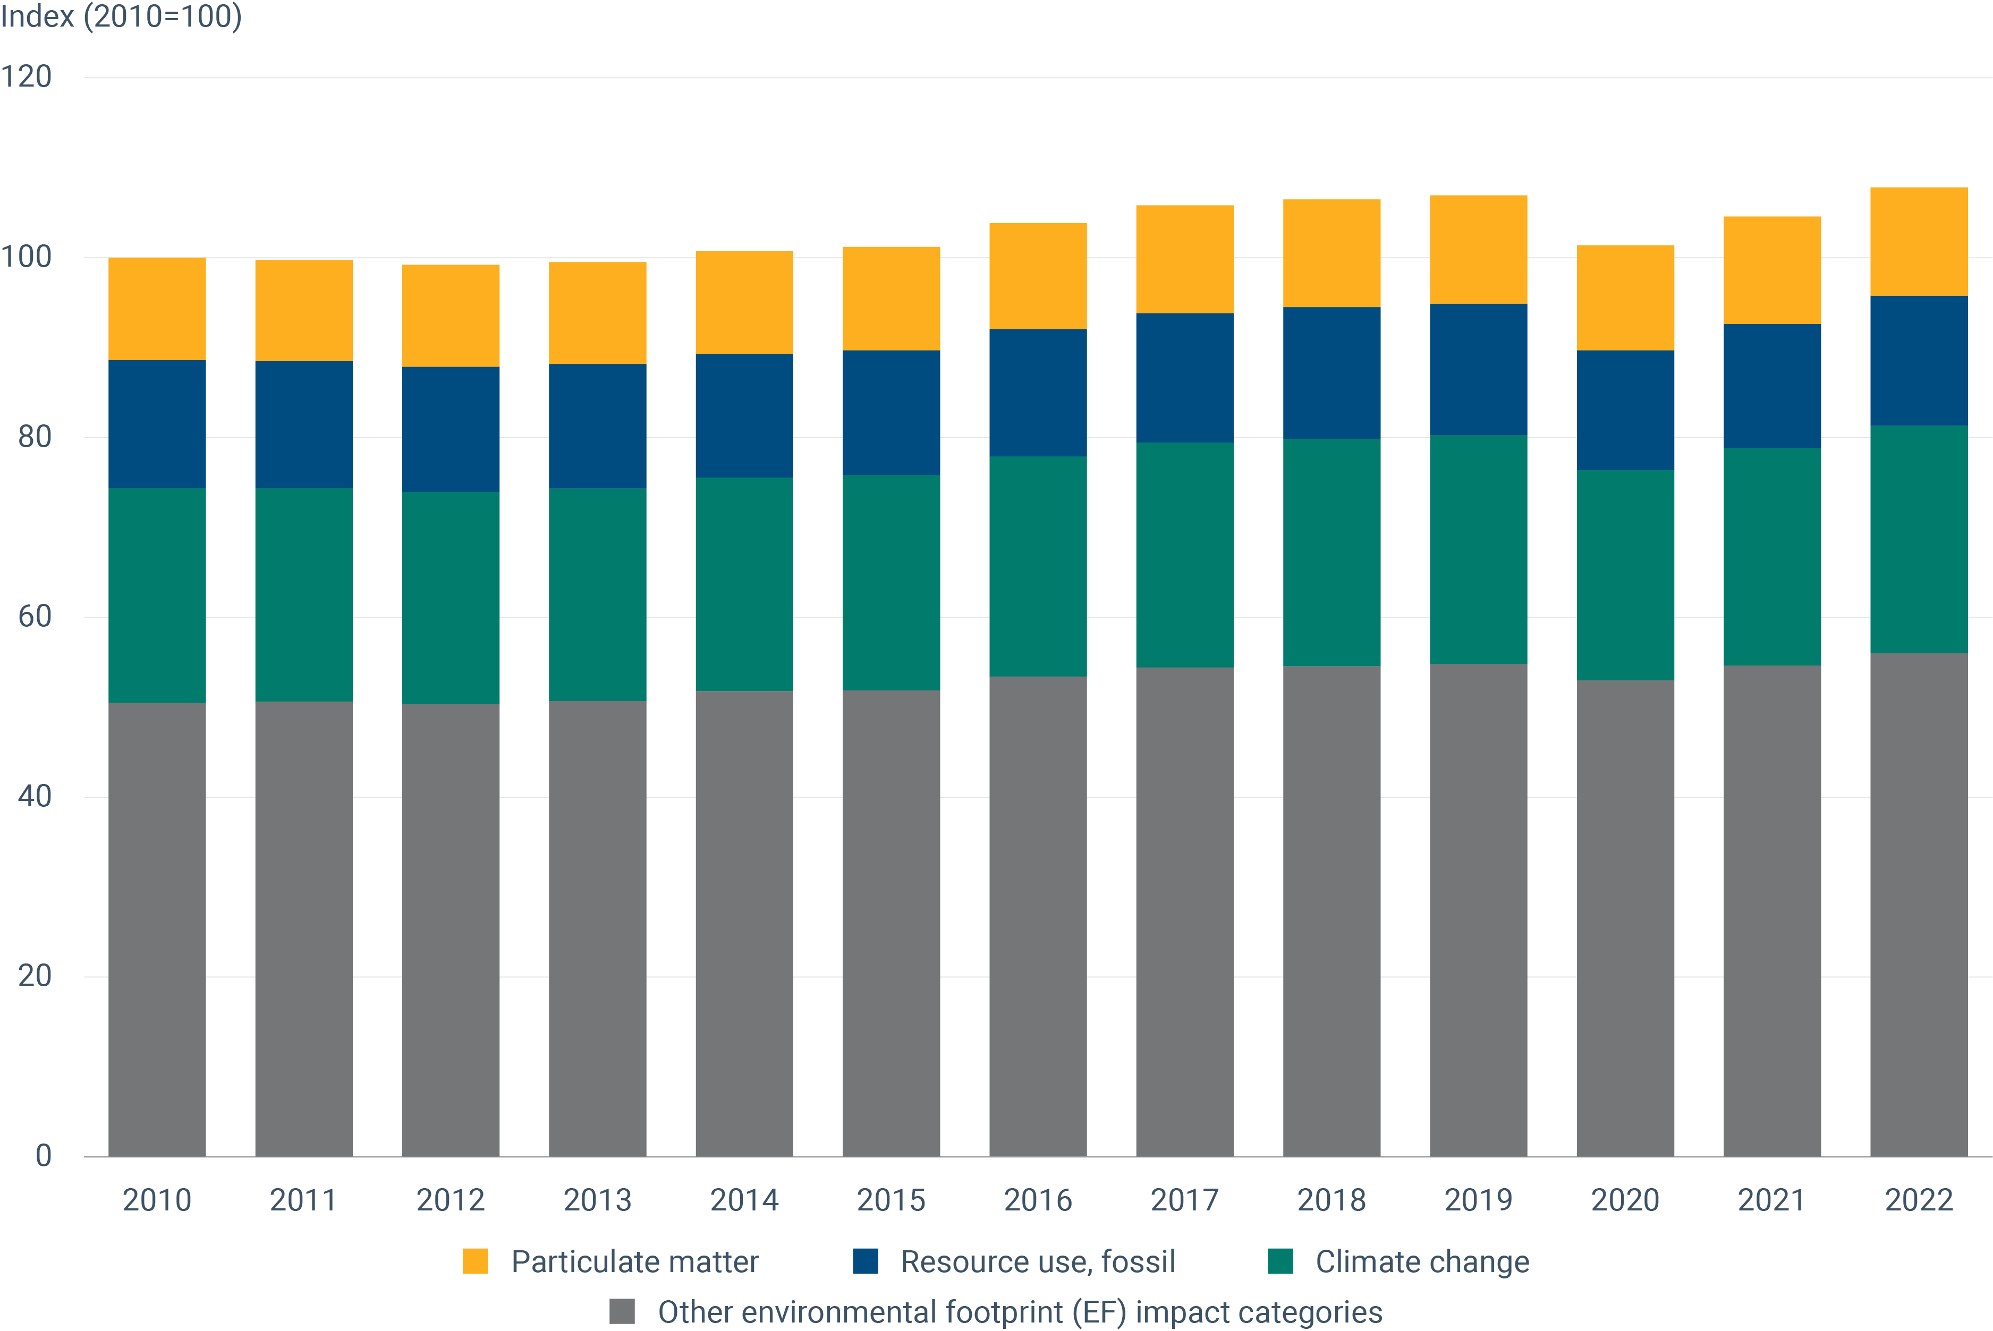

Fig 26
...
 | 2010 | 2011 | 2012 | 2013 | 2014 | 2015 | 2016 | 2017 | 2018 | 2019 | 2020 | 2021
Waste management | 1,074 | 1,075 | 1,118 | 1,105 | 1,123 | 1,196 | 1,204 | 1,221 | 1,259 | 1,305 | 1,322 | 1,333
Management of waters | 137 | 138 | 139 | 141 | 142 | 150 | 138 | 135 | 137 | 139 | 142 | 143
Management of energy resources | 1,442 | 1,664 | 1,716 | 1,605 | 1,494 | 1,540 | 1,647 | 1,654 | 1,636 | 1,700 | 1,813 | 1,967
Other environmental protection | 956 | 978 | 990 | 986 | 918 | 943 | 947 | 1,026 | 1,042 | 1,080 | 1,144 | 1,167
Share of total employment (%) | 2.14% | 2.27% | 2.32% | 2.28% | 2.18% | 2.24% | 2.24% | 2.25% | 2.25% | 2.31% | 2.45% | 2.50%

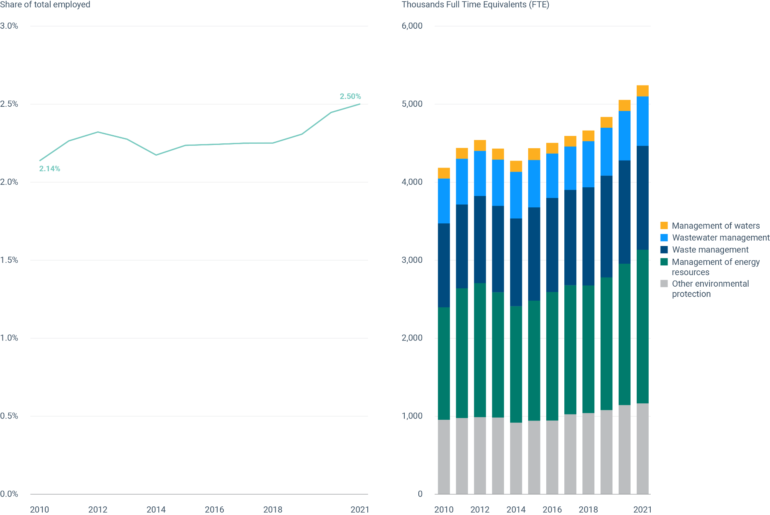

Fig 27
...
Production, value added and exports in the environmental goods and services sector (billion euros, 2010 prices)
EGSS GVA as a share of total GDP (%) | 2.09 | 2.18 | 2.24 | 2.24 | 2.16 | 2.19 | 2.24 | 2.23 | 2.25 | 2.28 | 2.47 | 2.52

Implicit deflator | 100.0 | 101.3 | 102.6 | 103.8 | 104.5 | 106.0 | 106.7 | 108.1 | 109.7 | 111.6 | 113.6 | 116.5

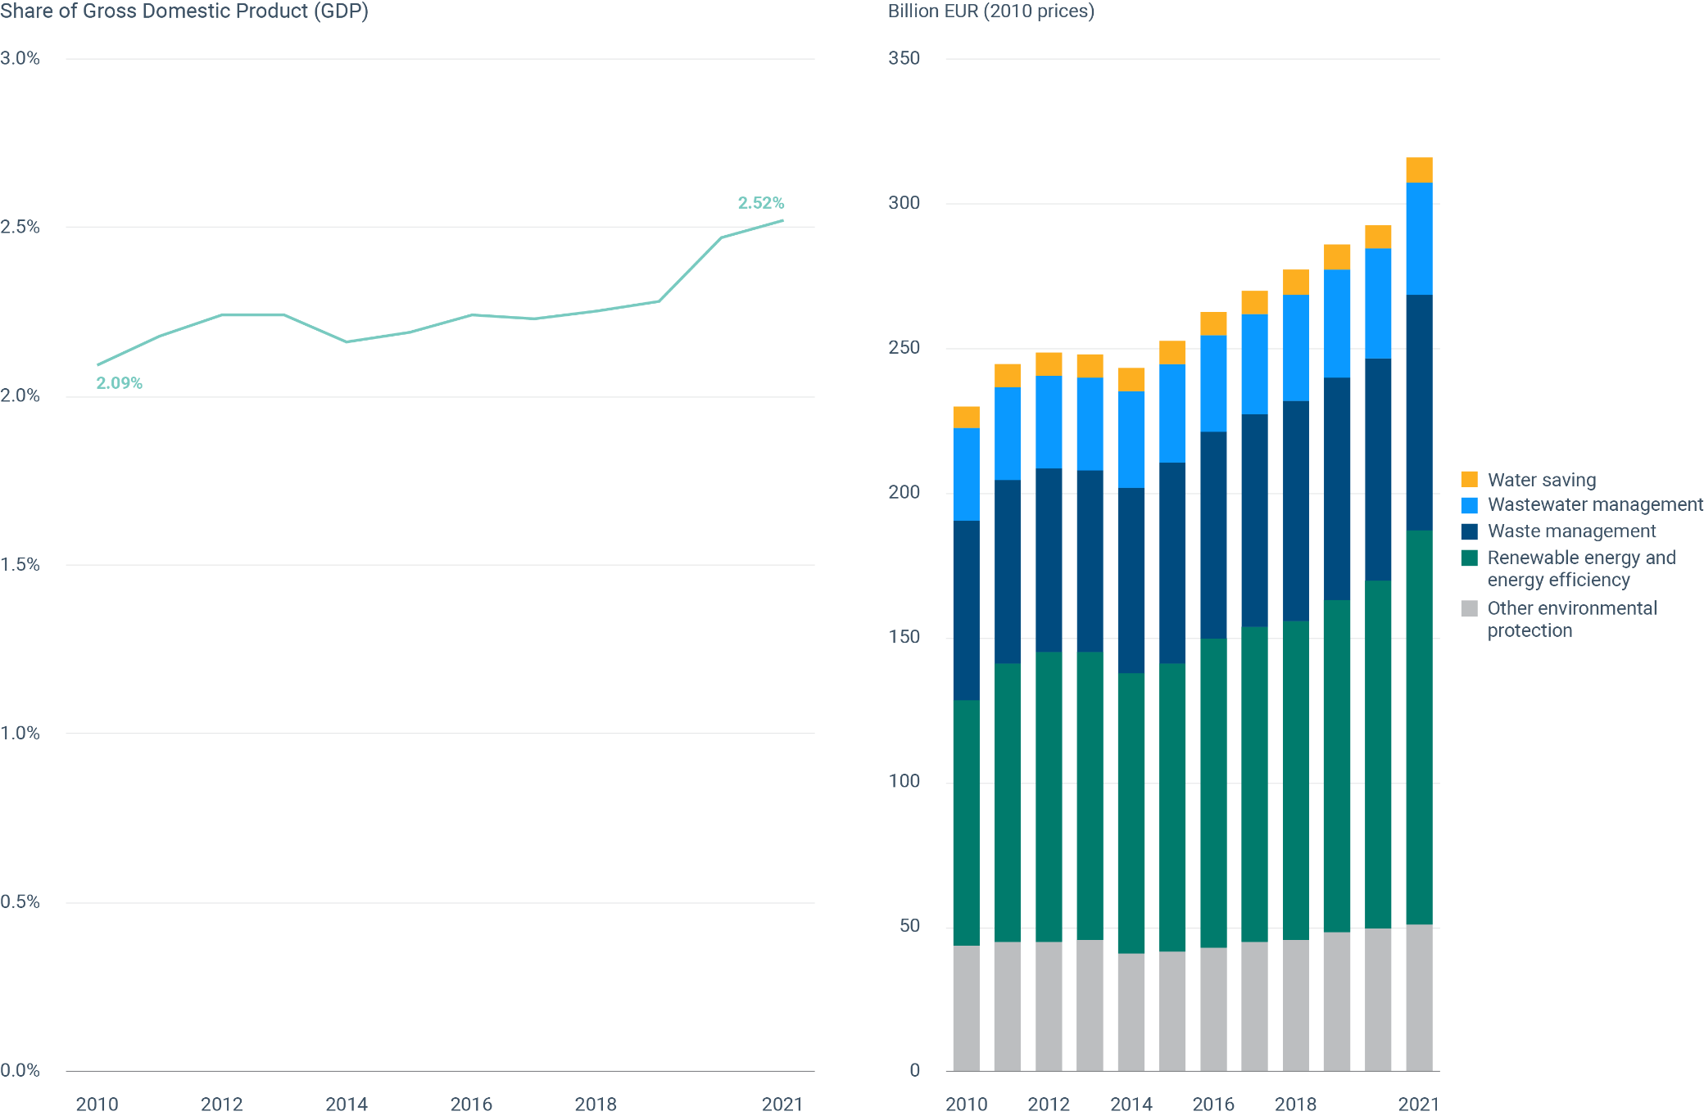

Fig 28
Figure 28 - Environmental inequalities

Year | Ratio MDQ/LDQ
2007 | 1.29
2008 | 1.26
2009 | 1.16
2010 | 1.19
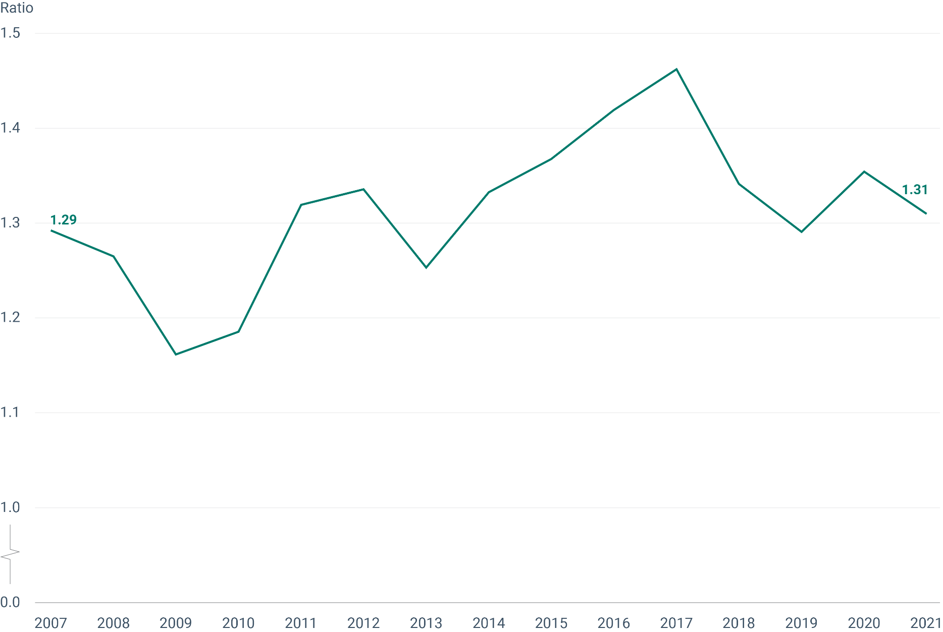
2011 | 1.32
2012 | 1.34
2013 | 1.25
2014 | 1.33
2015 | 1.37
2016 | 1.42
2017 | 1.46
2018 | 1.34
2019 | 1.29
2020 | 1.35
2021 | 1.31

