Fig 1
 | Oil discharged with aqeous effluents (ktonnes/yr) |  | Oil discharged per reported throughput (g/tonne) |  | Total Throughput reported including other feeds (million tonnes/yr) |  | Number of refineries
1969 | 44 | 1969 |  | 1969 |  | 1969 | 80
1974 | 30.66 | 1974 |  | 1974 |  | 1974 | 108
1978 | 12 | 1978 | 22.22 | 1978 | 540 | 1978 | 111
1981 | 10.56 | 1981 | 24.00 | 1981 | 440 | 1981 | 104
1984 | 5.09 | 1984 | 12.06 | 1984 | 422 | 1984 | 85
1987 | 4.638 | 1987 | 10.33 | 1987 | 449 | 1987 | 89
1990 | 3.34 | 1990 | 6.54 | 1990 | 511 | 1990 | 95
1993 | 2.018 | 1993 | 3.62 | 1993 | 557 | 1993 | 95
1997 | 1.16784 | 1997 | 1.86 | 1997 | 630 | 1997 | 105
2000 | 0.74661600074 | 2000 | 1.42 | 2000 | 524.049236 | 2000 | 84
2005 | 1.05 | 2005 | 1.57 |  | 670 |  | 96
2008 | 0.993 | 2008 | 1.33 |  | 745 |  | 125
2010 | 0.79 | 2010 | 1.31 |  | 605 |  | 100

Fig Data
Fig 1.
 | 1969 | 1974 | 1978 | 1981 | 1984 | 1987 | 1990 | 1993 | 1997 | 2000 | 2005 | 2008 | 2010
Oil discharged with aqeous effluents (ktonnes/yr) | 44 | 30.66 | 12 | 10.56 | 5.09 | 4.638 | 3.34 | 2.018 | 1.168 | 0.747 | 1.05 | 0.99 | 0.79
Oil discharged per reported throughput (g/tonne) |  |  | 22.22 | 24.00 | 12.06 | 10.33 | 6.54 | 3.62 | 1.86 | 1.42 | 1.57 | 1.33 | 1.31
Total Throughput reported including other feeds (million tonnes/yr) |  |  | 540 | 440 | 422 | 449 | 511 | 557 | 630 | 524 | 670 | 745 | 605
Number of refineries | 80 | 108 | 111 | 104 | 85 | 89 | 95 | 95 | 105 | 84 | 96 | 125 | 100
Reported capacity (Mega-tonne/year) | 400 | 730 | 754 | 710 | 607 | 587 | 570 | 618 | 670 | 566 | 730 | 838 | 720
Oil discharged per reported capacity (g/tonne) | 110.00 | 42.00 | 15.92 | 14.87 | 8.39 | 7.90 | 5.86 | 3.27 | 1.74 | 1.32 | 1.44 | 1.18 | 1.10

 | TP |  | 22.22 | 24.00 | 12.06 | 10.33 | 6.54 | 3.62 | 1.85 | 1.42 | 1.57 | 1.33 | 1.31

 | Cap |  | 15.92 | 14.87 | 8.39 | 7.90 | 5.86 | 3.27 | 1.74 | 1.32 | 1.44 | 1.18 | 1.10

 | 2000 | 2004 | 2008 | 2010
Oil discharged (kt/yr) | 0.75 | 1.05 | 0.99 | 0.79
Discharge load (g/t) | 1.42 | 1.57 | 1.33 | 1.31
Reported Throughput (Mt) | 524.05 | 670.00 | 745.00 | 605.00
Number of refineries | 84 | 96 | 125 | 100

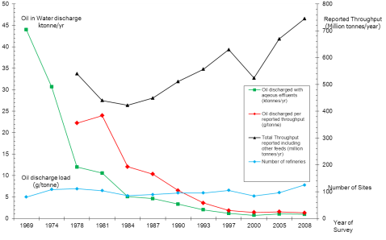
 | Oil discharged with aqeous effluents (ktonnes/yr) | Oil discharged per reported throughput (g/tonne) | Total Throughput reported including other feeds (million tonnes/yr) | Number of refineries
1969 | 44 |  |  | 80
1974 | 30.66 |  |  | 108
1978 | 12 | 22.22 | 540 | 111
1981 | 10.56 | 24.00 | 440 | 104
1984 | 5.09 | 12.06 | 422 | 85
1987 | 4.638 | 10.33 | 449 | 89
1990 | 3.34 | 6.54 | 511 | 95
1993 | 2.018 | 3.62 | 557 | 95
1997 | 1.16784 | 1.86 | 630 | 105
2000 | 0.74661600074 | 1.42 | 524.049236 | 84
2005 | 1.05 | 1.57 | 670 | 96
2008 | 0.993 | 1.33 | 745 | 125
2010 | 0.79 | 1.31 | 605 | 100

