Drill down data - optional
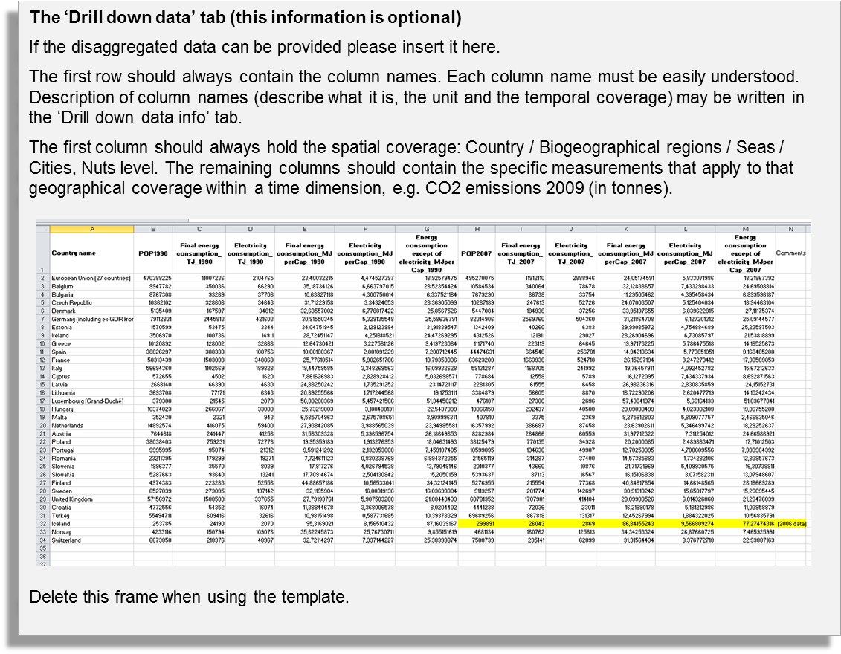
Countries / Regions / Seas / Cities / | Col1 | Col2 | Col3 | Col4 | Col5 | Col6 | Col7 | Col8 | Col9 | Col10 | Col11 | Col12

Drill down data info - optional
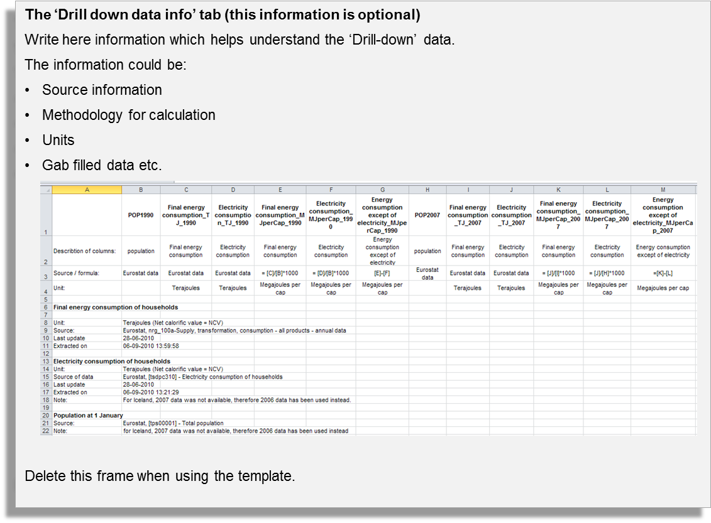

Draft graph
 | North America | Europe (EU) | Europe (non-EU) | Latin America | Middle East/Central Asia | Asia-Pacific | Africa | NA_BC | EU_BC | OE_BC | LA_BC | ME_BC
0 | - |  |  |  |  |  |  | 0.00
0 | 6.92 |  |  |  |  |  |  | 4.83
172.233 | 6.92 |  |  |  |  |  |  | 4.83
344.466 | 6.92 | 0 |  |  |  |  |  | 4.83 | 0
344.466 | - | 4.533 |  |  |  |  |  | 0.00 | 2.189
594.552 |  | 4.533 |  |  |  |  |  |  | 2.189
844.638 |  | 4.533 | 0 |  |  |  |  |  | 2.189 | 0
844.638 |  | 0 | 3.619 |  |  |  |  |  | 0 | 4.645
961.2145 |  |  | 3.619 |  |  |  |  |  |  | 4.645
1077.791 |  |  | 3.619 | 0 |  |  |  |  |  | 4.645 | 0
1077.791 |  |  | 0 | 2.67 |  |  |  |  |  | 0 | 5.522
1370.232 |  |  |  | 2.67 |  |  |  |  |  |  | 5.522
1662.673 |  |  |  | 2.67 | 0 |  |  |  |  |  | 5.522 | 0
1662.673 |  |  |  | 0 | 2.521 |  |  |  |  |  | 0 | 0.975
1861.551 |  |  |  |  | 2.521 |  |  |  |  |  |  | 0.975
2060.429 |  |  |  |  | 2.521 | 0 |  |  |  |  |  | 0.975
2060.429 |  |  |  |  | 0 | 1.66 |  |  |  |  |  | 0
3960.9355 |  |  |  |  |  | 1.66
5861.442 |  |  |  |  |  | 1.66 | 0
5861.442 |  |  |  |  |  | 0 | 1.406
6370.656 |  |  |  |  |  |  | 1.406
6879.87 |  |  |  |  |  |  | 1.406
6879.87 |  |  |  |  |  |  | 0

398

